Governance
DSTRICT Monthly IR Report - Governance |  |  |  |  |  |  |  |  |  |  |  |  |  |  |  | 2024-09-30

1. Basic Information

Category | DSTRICT HOLDINGS | DSTRICT KOREA | DSTRICT JEJU | ARTE MUSEUM KR | ASTRICT STUDIO | ARTE MUSEUM LV | ARTE MUSEUM LA | ARTE MUSEUM NY | ARTE MUSEUM HK | DSTRICT ASIA | DSTRICT SHENZHEN | ARTE MUSEUM CHENGDU | ARTE MUSEUM DUBAI | ARTE MUSEUM SHENZHEN | DSTRICT JJ
Company Name | D'STRICT HOLDINGS, INC. | D'STRICT KOREA, INC. | D'STRICT JEJU, INC. | ARTE MUSEUM KOREA, INC. | A'STRICT STUDIO, INC. | ARTE MUSEUM LV, LLC | ARTE MUSEUM LA, LLC | ARTE MUSEUM NY, LLC | ARTE MUSEUM HK. Limited | D’STRICT Asia Limited | D'STRICT (SHENZHEN) CREATIVE DESIGN CO., LTD. | D'STRICT VISUAL REALM (CHENGDU) EXHIBITION CO., LTD | ARTE MUSEUM LASER & LIGHTS SHOWS L.L.C | D'STRICT VISUAL REALM (SHENZHEN) EXHIBITION CO., LTD. | D'STRICT JJ CO., LTD.
Established Date | 2022-09-07 | 2004-06-28 | 2014-10-01 | 2021-06-02 | 2014-06-01 | 2022-09-09 | 2022-11-07 | 2022-11-07 | 2022-04-20 | 2023-02-13 | 2020-05-13 | 2022-07-07 | 2023-05-01 | 2024-04-10 | 2024-04-25
Registered Capital Amount | $472.13 | 7,036,423,500 KRW | 1,200,000,000 KRW | 100,000,000 KRW | 840,000,000 KRW | N/A | N/A | N/A | 3,000,000 HKD | $10,000.00 | $5,000,000.00 | RMB 3,000,000 | AED 300,000.00 | ¥30,000,000.00 | 2,000,000,000 KRW
Par Value of Shares | $0.0001 | 500 KRW | 5,000 KRW | 5,000 KRW | 5,000 KRW | N/A | N/A | N/A | 1 HKD | $1.0000 | $1.0000 | RMB 1 | AED 1,000.00 | ¥1.00 | 1,000,000 KRW
CEO | LEE SUNGHO(SEAN LEE) | LEE SUNGHO(SEAN LEE) | LEE SUNGHO(SEAN LEE) | LEE SUNGHO(SEAN LEE) | LEE SUNGHO(SEAN LEE) | LEE SUNGHO(SEAN LEE) | LEE SUNGHO(SEAN LEE) | LEE SUNGHO(SEAN LEE) | SU XIAOLIN | SU XIAOLIN | SU XIAOLIN | Liu Jun | LEE SUNGHO | ZHANG YINGYING | LEE DONGHOON
Address | 3716 Las Vegas Boulevard South. Suite 208, Las Vegas, Nevada 89109 | 9F, M TOWER, 29 Teheran-ro 87gil, Gangnam-gu, Seoul, Republic of Korea | 478, Eorimbi-ro, Aewol-eup, Jeju-si, Jeju-do, Republic of Korea | 131, Nanseolheon-ro, Gangneung, Gangwon-do, Republic of Korea | 9F 901, 29, Teheran-ro 87-gil, Gangnam-gu, Seoul, Republic of Korea | 3716 Las Vegas Boulevard South. Suite 208, Las Vegas, Nevada 89109 | 1401 21ST ST STE R, SACRAMENTO, CA 95811, USA | N/A | 29/F., The Sun's Group Centre, 200 Gloucester Road, Wanchai, Hong kong | 29/F., The Sun's Group Centre, 200 Gloucester Road, Wanchai, Hong kong | 5701 China Energy Storage Building, No. 3099, South Keyuan Road, Gaoxin Community, Yuehai Street, Nanshan District, Shenzhen, Guangdong | ZS1-1, Building 1, East Suburb Memory Park, No. 4 Jianshe Nanzhi Road, Chenghua District, Chengdu City, Sichuan Province | Unit SF 159, Second Floor, The Dubai Mall, Financial Road, Downtown Dubai, Dubai, UAE | 1310 China Energy Storage Building, No. 3099, South Keyuan Road, Gaoxin Community, Yuehai Street, Nanshan District, Shenzhen, Guangdong | 2F, 1208, Iljudong-ro, Jocheon-eup, Jeju-si, Jeju-do, Republic of Korea
Tel | N/A | +82-2-515-5456 | +82-1899-5008 | +82-1899-5008 | +82-2-515-5456 | N/A | N/A | N/A | +852-2788-3238 | +852-6300-6818 | N/A | N/A | +971 4 570 7084 | N/A | N/A
Fax | N/A | +82-2-515-5256 | N/A | N/A | +82-2-515-5256 | N/A | N/A | N/A | +852-2788-3290 | N/A | N/A | N/A | N/A | N/A | N/A
Homepage | http://www.dstrict.com | http://www.dstrict.com | https://artemuseum.com/ | https://artemuseum.com/ | N/A | https://artemuseum.com/ | https://artemuseum.com/ | https://artemuseum.com/ | https://artem-hk-en.artemuseum.com/ | N/A | N/A | N/A | https://dubai.artemuseum.com/ | N/A | N/A
Business Register No. | EIN: 92-0744354 | 211-87-51959 | 616-86-22384 | 395-88-02020 | 120-88-14107 | EIN: 92-0775366 | EIN: 92-1568114 | EIN: 99-1291287 | 73964368-000-04-23-7 | 74844109-000-02-23-A | 91440300MA5G6FMN2Q | 91510108MABT77GN0N | 1962861 | 91440300MADGA9LH7J | 178-86-03283
Corporate Register No. | N/A | 110111-3038951 | 224111-0026390 | 141111-0070454 | 110111-5418523 | N/A | N/A | N/A | 3144843 | 3232050 | N/A | N/A | N/A | N/A | 220111-0266198

2. Board Members

Category | DSTRICT HOLDINGS | DSTRICT KOREA | DSTRICT JEJU | ARTE MUSEUM KR | ASTRICT STUDIO | ARTE MUSEUM LV | ARTE MUSEUM LA | ARTE MUSEUM NY | ARTE MUSEUM HK | DSTRICT ASIA | DSTRICT SHENZHEN | ARTE MUSEUM CHENGDU | ARTE MUSEUM DUBAI | ARTE MUSEUM SHENZHEN | DSTRICT JJ
CEO | LEE SUNGHO | LEE SUNGHO | LEE SUNGHO | LEE SUNGHO | LEE SUNGHO | LEE SUNGHO | LEE SUNGHO | LEE SUNGHO | SU XIAOLIN | SU XIAOLIN | SU XIAOLIN | LIU JUN | LEE SUNGHO | ZHANG YINGYING | LEE DONGHOON
Executive Director | LI QING | KIM JUNHAN | KIM YUNKWAN |  |  |  |  |  | LEE SUNGHO | LEE SUNGHO |  |  | ANN SUNG HEE |  | LEE SUNGHO
Executive Director | ZENG ZHENYANG | PARK SANG-HWA | CHOI WONSUN |  |  |  |  |  |  |  |  |  |  |  | LEE CHEOLYEONG
Executive Director |  | LEE DONG-HOON
Executive Director |  | LEE SANGJIN
Executive Director |  | CHOE EUNSEOK
Executive Director |  | SU XIAOLIN
Auditor | PAEK JIN HEUM | LEE YOUNGHAN | LEE YOUNGHAN |  |  |  |  |  |  |  |  |  |  |  | LEE YOUNGHAN
Auditor |  | PAEK JIN HEUM
Total No. | 4 Members | 9 Members | 4 Members | 1 Members | 1 Members | 1 Members | 1 Members | 1 Members | 2 Members | 2 Members | 1 Members | 1 Members | 2 Members | 1 Members | 4 Members

3. Shareholder's List of HQ
 |  |  |  |  |  | (D'STRICT HOLDINGS, INC.)
Category | Shareholder's Name |  | Share Class | No. of Shares | Share Ratio | Category Sum
Major Shareholder | MFIO GLOBAL DISCOVERY LIMITED |  | Class A Ordinary | 3,127,109 | 66.23% | 66.23%
Financial Investor | WAVETWO LIMITED |  | Class A Ordinary | 312,891 | 6.63% | 8.84%
 | WAVETWO LIMITED |  | Preferred Class A | 104,297 | 2.21%
Management Team & Employees | LEE SUNGHO |  | Class A Ordinary | 27,653 | 0.59% | 19.99%
 | KIM JUNHAN |  | Class A Ordinary | 75,758 | 1.60%
 | LEE DONGHOON |  | Class A Ordinary | 117,328 | 2.49%
 | CHOE EUNSUK |  | Class A Ordinary | 25,460 | 0.54%
 | LEE SANGJIN |  | Class A Ordinary | 4,576 | 0.10%
 | PARK SANGHWA |  | Class A Ordinary | 3,787 | 0.08%
 | CHOI YOOJIN |  | Class B Ordinary | 883 | 0.02%
 | VARIOUS EMPLOYEES |  | Class C Ordinary | 688,370 | 14.58%
Other Investment Entity | GOLDEN PROFIT INVESTMENT LIMITED |  | Class A Ordinary | 14,630 | 0.31% | 1.73%
 | WELL ENERGY INVESTMENT LIMITED |  | Class A Ordinary | 19,760 | 0.42%
 | YG ENTERTAINMENT, INC. |  | Class B Ordinary | 39,235 | 0.83%
 | UNCAGED, INC. |  | Class B Ordinary | 7,845 | 0.17%
Other Individual Investor | HAN HYUNCHUL |  | Class B Ordinary | 76,929 | 1.63% | 3.21%
 | CHOI EUNSIL |  | Class B Ordinary | 12,967 | 0.27%
 | PARK JAEHAN |  | Class B Ordinary | 2,943 | 0.06%
 | RYU SUJIN |  | Class B Ordinary | 58,865 | 1.25%
Total | Total |  |  | 4,721,286 | 100.00% | 100.00%

4. Board/Shareholder's Meeting Resolution
※ Within the last 6 months
Company | Category | Date | Agenda/Resolution
DSKR | Extraordinary General Meeting of Shareholders | 2024-10-01 | 1. Approval of the Third-party Funding (Investment) 2. Approval of the Third-party Funding (Loan)
AMKR | Extraordinary General Meeting of Shareholders | 2024-10-01 | 1. Approval of the Third-party Funding (Loan)
DSKR | Board Resolution | 2024-09-16 | 1. Approval of the Third-party Funding (Investment) 2. Approval of the Third-party Funding (Loan) 3. Convening of an Extraordinary General Meeting of Shareholders
AMKR | Board Resolution | 2024-09-16 | 1. Approval of the Third-party Funding (Loan) 2. Convening of an Extraordinary General Meeting of Shareholders
AMKR | Board Resolution | 2024-09-06 | 1. Approval of an relocaiton of ancillary place of business.
DSJEJU | Extraordinary General Meeting of Shareholders | 2024-05-31 | 1. Nomination of the Auditor
DSJEJU | Board meeting | 2024-05-15 | 1. Convening of an Extraordinary General Meeting of Shareholders
ASST | Extraordinary General Meeting of Shareholders | 2024-04-29 | 1. Capital increase through shareholder allotment
DSJJ | Board meeting | 2024-04-29 | 1. Major Asset Purchase
DSJJ | Board meeting | 2024-04-15 | 1. Nomination of the Representative Director 2. Decision on the location for the Establishment of the Principal Office
DSJJ | General Meeting of Incorporators | 2024-04-15 | 1. Approval of the Article of Incorporation 2. Nomination of the Board of Directors 3. Nomination of the Auditor 4. Investigations and Reporting under Article 298 of the Commercial Act
ASST | Board Decision | 2024-04-12 | 1. Convening of an Extraordinary General Meeting of Shareholders
DSKR | Board meeting | 2024-04-05 | 1. Capital increase through third-party allotment (nominee redeemable preferred stock)
DSKR | Ordinary General Shareholder's Resolution | 2024-03-29 | Reporting Matters : Business Report for the year 2023, Audit Report for the year 2023, Nomination of the External Auditor for the year 2023 1. Approval of the Financial Statement for the year 2023. 2. Approval of directors' remuneration limit. 3. Approval of audit remuneration limit. 4. Nomination of the Board of Directors.
ASST | Ordinary General Shareholder's Resolution | 2024-03-28 | Reporting Matters : Business Report for the year 2023 1. Approval of the Financial Statement for the year 2023. 2. Approval of directors' remuneration limit.
AMKR | Ordinary General Shareholder's Resolution | 2024-03-28 | Reporting Matters : Business Report for the year 2023 1. Approval of the Financial Statements for the year 2023. 2. Nominaton of the Board of Directors. 3. Approval of directors' remuneration limit.
DSJEJU | Ordinary General Shareholder's Resolution | 2024-03-28 | Reporting Matters : Business Report for the year 2023, Audit Report for the year 2023 1. Approval of the Financial Statement for the year 2023. 2. Approval of directors' remuneration limit. 3. Approval of audit remuneration limit. 4. Partial Amendments of the Articles of Incorporation.
DSHD | Board meeting | 2024-03-25 | 1. Approval of shareholder of ARTE MUSEUM LASER & LIGHT SHOWS L.L.C 2. Appointment of Manager of ARTE MUSEUM LASER & LIGHT SHOWS L.L.C: Sungho Lee
DSHD | Board meeting | 2024-03-25 | 1. APPROVAL OF STOCK ACQUISITION OF THE COMPANY
DSKR | Board meeting | 2024-03-15 | 1. Approval of an establishment of ancillary place of business.
DSKR | Board meeting | 2024-03-14 | 1. Approval of the Business Report and Audit Report for the year 2023. 2. Approval of the Financial Statement for the year 2023. 3. Convening of an Ordinary General Meeting of Shareholders. 4. Approval of an establishment of ancillary place of business.
ASST | Board meeting | 2024-03-13 | 1. Approval of the Business Report for the year 2023. 2. Approval of the Financial Statement for the year 2023. 3. Convening of an Ordinary General Meeting of Shareholders.
AMKR | Board meeting | 2024-03-13 | 1. Approval of the Business Report for the year 2023. 2. Approval of the Financial Statement for the year 2023. 3. Convening of a General Meeting of Shareholders.
DSJEJU | Board meeting | 2024-03-13 | 1. Approval of the Business Report and Audit Report for the year 2023. 2. Approval of the Financial Statement for the year 2023. 3. Convening of an Ordinary General Meeting of Shareholders. 4. Approval of an establishment of branch office.

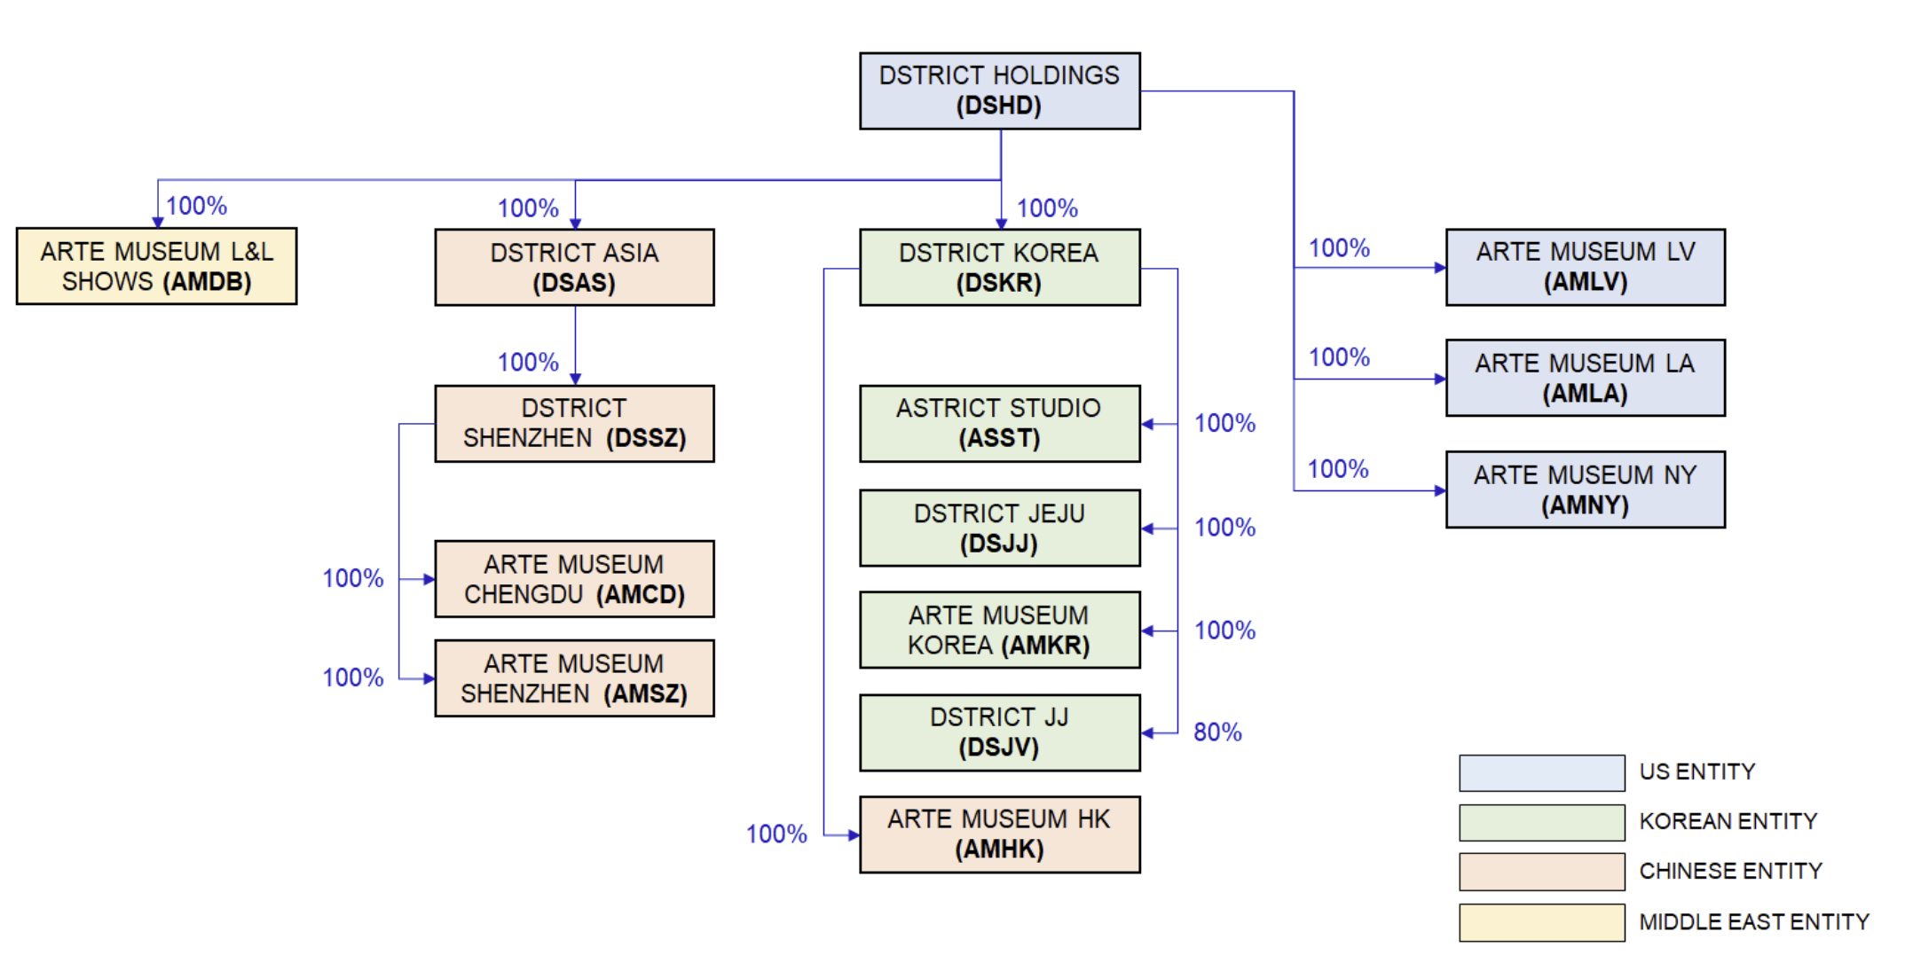

 | * ARTE MUSEUM L&L : Governance change is in process. (not finished as of 30/09/2024)

B2B Order
DSTRICT Monthly IR Report - B2B Order Status |  |  |  |  |  |  |  |  | 2024-09-30

1. B2B order details
※ Total amount of carried forward B2B orders received from previous years and new orders received in currect year, which affect sales in current year. |  |  |  |  |  |  |  |  | (Unit: KRW million / VAT Excluded)
Contracted Month | Entity | Type | Consolidation | Project Region | Client | PJT Name | Total Contracted Amount | Previously Recognized Revenue | Residual Revenue From 2024
Carried over | DSKR | B2B Service | External | China | 상하이디스터상무신식자문(유) | DS18R001 충칭 산수문원 모델하우스 구축 프로젝트 | 2,440 | 2,440 | -
Carried over | DSKR | B2B Service | External | China | 상하이디스터상무신식자문(유) | DS18R029 알리바바 미디어 터널 영상 제작 | 133 | 133 | -
Carried over | DSKR | B2B Service | External | China | 제주국제자유도시개발센터 | DS22R034 신화역사공원 J지구 사업 보완계획수립 | 304 | 234 | 70
Carried over | DSKR | B2B Service | External | Korea | 제일에스와이씨(주) | DS22R027 아르떼뮤지엄 부산 구축 및 설치 | 12,000 | 2,430 | 9,570
Carried over | DSKR | License Service | External | Korea | (주)포스트미디어 | DS23L019 국립현대미술관 MMCA 청주 MEDIA CANVAS 작품 라이선스 | 48 | 48 | -
Carried over | DSKR | License Service | External | Korea | (주)구스범스리바트리 | DS23L036 올데이스테이 미디어월 콘텐츠 라이선스 | 66 | 5 | 61
Carried over | DSKR | License Service | External | Global | SRPF B/Quadrangle Property LLC | DS23L040 LEDART SINGLE LICENSE_THE QUAD 콘텐츠 라이선스 | 115 | - | 115
 |  |  |  |  |  | Carried over | 15,106 | 5,290 | 9,816
2024-01 | DSKR | License Service | External | Korea | (주)강원랜드 | DS24L001 LEDART SINGLE LICENSE_강원랜드 카지노 미디어월 | 10 | - | 10
2024-01 | DSKR | License Service | External | Korea | CJCGV(주) | DS24L006 LEDART ENTERPRISE LICENSE_WTCS 트레이드타워 로비 1층 미디어월 | 16 | - | 16
2024-01 | DSKR | License Service | External | Korea | 삼성전자(주) | DS24L003 ISE 2024 삼성부스 내 미디어월 OCEAN 콘텐츠 라이선스 | 30 | - | 30
 |  |  |  |  |  | Jan-24 | 56 | - | 56
2024-02 | DSKR | License Service | External | Korea | (주)더픽트 | DS24L007 THE 현대 3주년 행사 미디어월 LEDART 콘텐츠 라이선스 | 11 | - | 11
2024-02 | DSKR | License Service | External | Global | MARINER RUBINETTERIE - S.R.L. | DS24L008 LEDART SINGLE LICENSE_Salone del Mobile 행사 콘텐츠 라이선스 | 19 | - | 19
2024-02 | DSKR | B2B Service | External | Korea | (주)포스코 | DS24R003 포스코 홍보관 웰컴센터 LED 언어 추가 개발 | 6 | - | 6
 |  |  |  |  |  | Feb-24 | 36 | - | 36
2024-03 | DSKR | B2B Service | External | Korea | 엘지전자(주) | DS24R001 인천공항 L-TYPE 미디어월 콘텐츠 신규 제작 | 264 | - | 264
2024-03 | DSKR | License Service | External | Korea | 엘지전자(주) | DS24L004 인천공항 L-TYPE 미디어월 LEDART 콘텐츠 라이선스 | 32 | - | 32
2024-03 | DSKR | License Service | External | Korea | CJCGV(주) | DS24L013 애즈원 전시부스 미디어월 LEDART SINGLE 라이선스 | 4 | - | 4
 |  |  |  |  |  | Mar-24 | 300 | - | 300
2024-04 | DSKR | License Service | External | Korea | CJCGV(주) | DS24L016 LEDART ENTERPRISE LICENSE_센터필드 로비미디어 | 36 | - | 36
2024-04 | DSKR | License Service | External | Korea | CJCGV(주) | DS24L017 LEDART ENTERPRISE ADVANCED_안동병원 로비미디어 | 6 | - | 6
2024-04 | DSKR | License Service | External | Korea | 성수피에프브이원(주) | DS24L010 LEDART ENTERPRISE PLUS_팩토리얼 성수 미디어월 콘텐츠 라이선스 | 59 | - | 59
2024-04 | DSKR | License Service | External | Global | Barco (Wuxi) Technology Co., Ltd. | DS24L011 Barco China InfoCom 행사 WAVE 콘텐츠 라이선스 | 16 | - | 16
2024-04 | DSKR | License Service | External | Korea | 서울대학교병원 | DS24L005 서울대학교병원 대한외래센터 미디어아트 콘텐츠 라이선스 2024 | 18 | - | 18
2024-04 | DSKR | B2B Service | External | Korea | (주)건화 | DS24R004 광명시 자원회수시설 증설사업 기본설계 UX 컨설팅 | 15 | - | 15
 |  |  |  |  |  | Apr-24 | 150 | - | 150
2024-05 | DSKR | B2B Service | External | Korea | (주)그란크루세 | DS24R006 거제도 장목관광단지 개발사업 마스터플래닝 | 341 | - | 341
2024-05 | DSKR | B2B Service | External | Global | Warehouse 72 Restaurants, L.L.C. | DS24L014 LEDART ENTERPRISE ADVANCED_WAREHOUSE 72 콘텐츠 라이선스 | 61 | - | 61
2024-05 | DSKR | License Service | External | Korea | 한국증권금융(주) | DS24L015 LEDART SINGLE LICENSE_한국증권금융 휴게시설 미디어월 콘텐츠 라이선스 | 14 | - | 14
2024-05 | DSKR | License Service | External | Korea | (주)에이커스인터내셔널 | DS24L018 LEDART SINGLE LICENSE_서울시 AI센터 개관식 미디어파사드 콘텐츠 라이선스 | 1 | - | 1
2024-05 | DSKR | License Service | External | Korea | CJCGV(주) | DS24L022 LEDART ENTERPRISE LICENSE_부산시청 열린도서관 미디어월 콘텐츠 라이선스 | 6 | - | 6
 |  |  |  |  |  | May-24 | 424 | - | 424
2024-06 | DSKR | License Service | External | Korea | (주)말런8 | DS24L020 LEDART SINGLE LICENSE_강원랜드 카지노 미디어월 여름 이벤트형 콘텐츠 라이선스 | 10 | - | 10
2024-06 | DSKR | License Service | External | Korea | 삼성전자(주) | DS24L021 삼성 Infocomm 2024 미디어월 OCEAN 및 LEDART 콘텐츠 라이선스 | 30 | - | 30
2024-06 | DSKR | B2B Service | External | Korea | 국가유산진흥원 | DS24R002 국가유산진흥원 콘텐츠 제작 및 공간 운영 | 688 | - | 688
2024-06 | DSKR | License Service | External | Korea | (주)이노션 | DS24L023 LEDART ENTERPRISE ADVANCED_강남 몬테소리 빌딩 외벽 미디어월 콘텐츠 라이선스 | 54 | - | 54
2024-06 | DSKR | License Service | External | Korea | (주)코틴기획 | DS24L024 콘진원 파리하계올림픽 코리아하우스 콘텐츠 라이선스 | 14 | - | 14
2024-06 | DSKR | License Service | External | Korea | (주)더플랜두씨(THE PDS) | DS24L025 콘진원 이탈리아 밀라노 K-콘텐츠 플래닛 콘텐츠 라이선스 | 30 | - | 30
2024-06 | DSKR | License Service | External | Korea | (주)뉴토 | DS24L026 LEDART SINGLE LICENSE_newto_더라움 미디어월 콘텐츠라이선스 | 7 | - | 7
2024-06 | DSKR | License Service | External | Korea | CJCGV(주) | DS24L027 LEDART ENTERPRISE LICENSE_카시아 속초 호텔 로비미디어 콘텐츠 라이선스 | 13 | - | 13
 |  |  |  |  |  | Jun-24 | 847 | - | 847
2024-07 | DSKR | License Service | External | Korea | (주)이든앤앨리스마케팅 | DS24L028 LEDART ENTERPRISE ADVANCED_래미안갤러리 미디어월 콘텐츠 라이선스 | 54 | - | 54
2024-07 | DSKR | License Service | External | Global | LG Electronics Philippines Inc. | DS24L019 LEDART SINGLE LICENSE_BELO CLINIC 미디어월 콘텐츠 라이선스 | 22 | - | 22
2024-07 | DSKR | B2B Service | External | Korea | (주)이메이트 | DS24R009 대전시 전시컨설팅 및 작품제작 용역 | 120 | - | 120
 |  |  |  |  |  | Jul-24 | 196 | - | 196
2024-08 | DSKR | B2B Service | External | Global | (주)크리에이티브모루 | DS24L029 두바이 관광청 콘텐츠 라이선스 | 10 | - | 10
2024-08 | DSKR | B2B Service | External | Korea | (주)스튜디오게일 | DS24L031 LEDART 스튜디오게일 나노리스트 애니메이션 라이선스 바터 | 30 | - | 30
2024-08 | DSKR | License Service | External | China | d'strict (Shenzhen) Creative Design Co., Ltd. | DS24L033 UNIQ GROUP LEDART 콘텐츠 라이선스_우한 MIXC 프로젝트 | 53 | - | 53
2024-08 | DSKR | License Service | External | Korea | CJCGV(주) | DS24L035 LEDART SINGLE LICENSE_센트럴시티 호남선 고속터미널 광고미디어 콘텐츠 라이선스 | 4 | - | 4
 |  |  |  |  |  | Aug-24 | 97 | - | 97
2024-09 | DSKR | License Service | External | Korea | 광주광역시북구청 | DS24L030 LEDART ENTERPRISE LICENSE 2024 광주 비엔날레 외벽 미디어파사드 콘텐츠 라이선스 | 50 | - | 50
2024-09 | DSKR | License Service | External | China | Melco International Development Limited | DS24L012 마카오 스튜디오 시티 LEDART 콘텐츠 라이선스 | 100 | - | 100
2024-09 | DSKR | License Service | External | China | Melco International Development Limited | DS24L034 마카오 스튜디오 시티 아나몰픽 콘텐츠 라이선스 | 299 | - | 299
2024-09 | DSKR | B2B Service | External | Korea | (주)쓰리프레임 | DS24R010 공간기반전시 UX컨설팅 | 75 | - | 75
2024-09 | DSKR | License Service | External | Korea | 한국공항공사 제주공항 | DS24L036 LEDART SINGLE LICENSE_제주공항 특산물판매장 미디어월 콘텐츠 라이선스 | 19 | - | 19
2024-09 | DSKR | License Service | External | Global | Samsung Electronics Holding GmbH | DS24L037 LEDART SINGLE LICENSE_삼성 독일법인 신규사옥 로비 내 미디어월 콘텐츠 라이선스 | 7 | - | 7
2024-09 | DSKR | B2B Service | External | Global | Qutar Cultural and Heritage Events Center | DS24R012 2024 Qatar DAS 구축 | 5,569 | - | 5,569
 |  |  |  |  |  | Sep-24 | 6,119 | - | 6,119
 |  |  |  |  |  |  | 23,330 | 5,290 | 18,040
 |  |  |  |  |  |  |  |  | -
2. Monthly B2B Order Received

Consolidation | External
Monthly B2B Order Received
Month | 합계 : Residual Revenue From 2024
Carried over | 9,815,881,757
2024-01 | 56,000,000
2024-02 | 35,539,000
2024-03 | 300,020,000
2024-04 | 150,242,203
2024-05 | 424,251,917
2024-06 | 846,566,364
2024-07 | 196,112,000
2024-08 | 96,719,166
2024-09 | 6,118,791,003
총합계 | 18,040,123,410

B2B Order Type
 | 요약
B2B Service | 11713028469
License Service | 1205218394
3. B2B Order Received Anylisis

Consolidation | External

Month | 합계 : Residual Revenue From 2024
B2B Service | 16,819,756,374
License Service | 1,220,367,036
총합계 | 18,040,123,410

B2B Order Region
 | 요약
Global | 369262300
Korea | 12536007563
China | 12977000

Consolidation | External

Month | 합계 : Residual Revenue From 2024
China | 521,791,500
Global | 5,819,187,813
Korea | 11,699,144,097
총합계 | 18,040,123,410

Loan
DSTRICT Monthly IR Report - Loan |  |  | 2024-09-30 | US$68,624,531

1. Monthly Loan Balance

Category |  |  |  | 2023-09-30 | 2023-10-31 | 2023-11-30 | 2023-12-31 | 2024-01-31 | 2024-02-29 | 2024-03-31 | 2024-04-30 | 2024-05-31 | 2024-06-30 | 2024-07-31 | 2024-08-31 | 2024-09-30
KRW Loan - Opening Balance |  |  | (Unit: KRW mil) | ₩64,806 | ₩64,731 | ₩64,656 | ₩64,581 | ₩64,506 | ₩69,235 | ₩69,160 | ₩69,085 | ₩79,010 | ₩78,935 | ₩78,860 | ₩79,785 | ₩90,649
Borrowing / Repayment of Loan |  |  |  | (₩75) | (₩75) | (₩75) | (₩75) | ₩4,729 | (₩75) | (₩75) | ₩9,925 | (₩75) | (₩75) | ₩925 | ₩10,863 | (₩92)
KRW Loan - End Balance |  |  |  | ₩64,731 | ₩64,656 | ₩64,581 | ₩64,506 | ₩69,235 | ₩69,160 | ₩69,085 | ₩79,010 | ₩78,935 | ₩78,860 | ₩79,785 | ₩90,649 | ₩90,557
RMB Loan - Opening Balance |  |  | (Unit: RMB '000) | ¥2,500 | - | - | - | - | - | - | - | - | - | - | - | -
Borrowing / Repayment of Loan |  |  |  | (¥2,500) | ¥0 | ¥0 | ¥0 | ¥0 | ¥0 | ¥0 | ¥0 | ¥0 | ¥0 | ¥0 | ¥0 | ¥0
RMB Loan - End Balance |  |  |  | - | - | - | - | - | - | - | - | - | - | - | - | -

2. Monthly Loan Details
 |  |  | (Unit: KRW mil)
Entity / Borrowing Date | Category | Lender | Interest Rates | 2023-09-30 | 2023-10-31 | 2023-11-30 | 2023-12-31 | 2024-01-31 | 2024-02-29 | 2024-03-31 | 2024-04-30 | 2024-05-31 | 2024-06-30 | 2024-07-31 | 2024-08-31 | 2024-09-30
DSTRICT KOREA |  |  |  | ₩64,731 | ₩64,656 | ₩64,581 | ₩64,506 | ₩69,235 | ₩69,160 | ₩69,085 | ₩79,010 | ₩78,935 | ₩78,860 | ₩78,785 | ₩89,666 | ₩89,591
2021-10-28 | Private Loan | Pharma Research | 2.70% | ₩4,660 | ₩4,590 | ₩4,520 | ₩4,450 | ₩4,380 | ₩4,310 | ₩4,240 | ₩4,170 | ₩4,100 | ₩4,030 | ₩3,960 | ₩3,890 | ₩3,820
Multiple | Employee Loan | Chey Eunsuk (Chey) | 0.00% | ₩71 | ₩66 | ₩61 | ₩56 | ₩51 | ₩46 | ₩41 | ₩36 | ₩31 | ₩26 | ₩21 | ₩16 | ₩11
2023-02-01 | RPS | WAVE ONE | n/a | ₩40,000 | ₩40,000 | ₩40,000 | ₩40,000 | ₩40,000 | ₩40,000 | ₩40,000 | ₩40,000 | ₩40,000 | ₩40,000 | ₩40,000 | ₩40,000 | ₩40,000
2023-08-03 | RPS | WAVE ONE | n/a | ₩20,000 | ₩20,000 | ₩20,000 | ₩20,000 | ₩20,000 | ₩20,000 | ₩20,000 | ₩20,000 | ₩20,000 | ₩20,000 | ₩20,000 | ₩20,000 | ₩20,000
2024-01-23 | RPS | WAVE ONE | n/a | - | - | - | - | ₩4,804 | ₩4,804 | ₩4,804 | ₩4,804 | ₩4,804 | ₩4,804 | ₩4,804 | ₩4,804 | ₩4,804
2024-04-09 | RPS | WAVE ONE | n/a | - | - | - | - | - | - | - | ₩10,000 | ₩10,000 | ₩10,000 | ₩10,000 | ₩10,000 | ₩10,000
2024-08-12 | Private Loan | Pharma Research | 4.60% | - | - | - | - | - | - | - | - | - | - | - | ₩10,955 | ₩10,955
ARTE MUSEUM KOREA |  |  |  | - | - | - | - | - | - | - | - | - | - | ₩1,000 | ₩983 | ₩966
2024-07-24 | Financial Institution | Daegu Bank | 5.92% | - | - | - | - | - | - | - | - | - | - | ₩1,000 | ₩983 | ₩966
TOTAL LOAN |  |  |  | ₩64,731 | ₩64,656 | ₩64,581 | ₩64,506 | ₩69,235 | ₩69,160 | ₩69,085 | ₩79,010 | ₩78,935 | ₩78,860 | ₩79,785 | ₩90,649 | ₩90,557

 |  |  | (Unit: RMB '000)
Entity / Borrowing Date | Category | Lender | Interest Rates | 2023-09-30 | 2023-10-31 | 2023-11-30 | 2023-12-31 | 2024-01-31 | 2024-02-29 | 2024-03-31 | 2024-04-30 | 2024-05-31 | 2024-06-30 | 2024-07-31 | 2024-08-31 | 2024-09-30
DSTRICT Chengdu |  |  |  | - | - | - | - | - | - | - | - | - | - | - | - | -
2023-05-29 | Shareholder Loan | Zeng Zhenyang | 4.50% | - | - | - | - | - | - | - | - | - | - | - | - | -
2022-12-26 | Employee Loan | Xiaolin Xu | 4.35% | - | - | - | - | - | - | - | - | - | - | - | - | -
TOTAL LOAN |  |  |  | - | - | - | - | - | - | - | - | - | - | - | - | -

3. Current Loan Balance
Company Loan Balance (mil KRW)
Category/ Lender | 합계 : 2024-09-30
Employee Loan | 11,051,582
Chey Eunsuk (Chey) | 11,051,582
Financial Institution | 966,280,000
Daegu Bank | 966,280,000
Private Loan | 14,775,200,000
Pharma Research | 14,775,200,000
RPS | 74,804,400,000
WAVE ONE | 74,804,400,000
총합계 | 90,556,931,582

Company Loan Balance (RMB '000)
Category/Lender | 합계 : 2024-09-30
Employee Loan | -
Xiaolin Xu | -
Shareholder Loan | -
Zeng Zhenyang | -
총합계 | -

HeadCount
DSTRICT Monthly IR Report - Head Count |  |  |  |  |  |  |  |  |  |  |  |  | 2024-09-30

1. Monthly Head Count
 |  |  |  |  |  |  |  |  |  |  |  |  | (Unit: Person)
HeadCount / Company | 2023.09.30 | 2023.10.31 | 2023.11.30 | 2023.12.31 | 2024.01.31 | 2024.02.29 | 2024.03.31 | 2024.04.30 | 2024.05.31 | 2024.06.30 | 2024.07.31 | 2024.08.31 | 2024.09.30
DSTRICT HOLDINGS | 1 | 1 | 1 | 1 | 1 | 2 | 2 | 2 | 2 | 2 | 2 | 2 | 2
Creation & Production | - | - | - | - | - | - | - | - | - | - | - | - | -
Biz. Development | - | - | - | - | - | - | - | - | - | - | - | - | -
Operation | - | - | - | - | - | - | - | - | - | - | - | - | -
Management | 1 | 1 | 1 | 1 | 1 | 2 | 2 | 2 | 2 | 2 | 2 | 2 | 2
DSTRICT KOREA | 173 | 174 | 174 | 173 | 175 | 173 | 176 | 174 | 174 | 184 | 195 | 175 | 177
Creation & Production | 115 | 115 | 116 | 114 | 118 | 116 | 114 | 110 | 106 | 101 | 102 | 103 | 103
Biz. Development | 30 | 30 | 30 | 30 | 30 | 29 | 30 | 31 | 32 | 32 | 34 | 33 | 33
Operation | 7 | 7 | 7 | 8 | 7 | 6 | 7 | 7 | 10 | 23 | 28 | 7 | 8
Management | 21 | 22 | 21 | 21 | 20 | 22 | 25 | 26 | 26 | 28 | 31 | 32 | 33
DSTRICT JEJU | 25 | 24 | 25 | 26 | 26 | 26 | 30 | 47 | 51 | 50 | 51 | 48 | 49
Creation & Production | - | - | - | - | - | - | - | - | - | - | - | - | -
Biz. Development | 3 | 3 | 3 | 3 | 3 | 3 | 2 | 2 | 2 | 2 | 2 | 2 | 2
Operation | 20 | 19 | 20 | 21 | 21 | 21 | 22 | 39 | 43 | 42 | 43 | 40 | 41
Management | 2 | 2 | 2 | 2 | 2 | 2 | 6 | 6 | 6 | 6 | 6 | 6 | 6
ARTE MUSEUM KOREA | 57 | 56 | 57 | 57 | 57 | 58 | 57 | 55 | 53 | 77 | 84 | 83 | 82
Creation & Production | - | - | - | - | - | - | - | - | - | - | - | - | -
Biz. Development | 2 | 2 | 2 | 2 | 2 | 2 | 2 | 2 | 2 | 2 | 2 | 1 | 1
Operation | 48 | 48 | 49 | 49 | 49 | 50 | 49 | 47 | 44 | 66 | 73 | 72 | 70
Management | 7 | 6 | 6 | 6 | 6 | 6 | 6 | 6 | 7 | 9 | 9 | 10 | 11
DSTRICT SHENZHEN | 5 | 6 | 6 | 6 | 7 | 7 | 9 | 8 | 10 | 12 | 12 | 13 | 13
Creation & Production | - | - | - | - | - | - | - | - | - | - | - | - | -
Biz. Development | 2 | 2 | 2 | 2 | 2 | 2 | 4 | 3 | 5 | 6 | 6 | 6 | 6
Operation | - | - | - | - | - | - | - | - | - | - | - | - | -
Management | 3 | 4 | 4 | 4 | 5 | 5 | 5 | 5 | 5 | 6 | 6 | 7 | 7
ARTE MUSEUM HK | 11 | 11 | 11 | 11 | 11 | 11 | 12 | 12 | 12 | 11 | 11 | 12 | 11
Creation & Production | - | - | - | - | - | - | - | - | - | - | - | - | -
Biz. Development | 1 | 1 | 1 | 1 | 1 | 1 | 1 | 2 | 2 | 2 | 2 | 2 | 2
Operation | 8 | 8 | 8 | 8 | 8 | 8 | 9 | 8 | 8 | 7 | 7 | 8 | 8
Management | 2 | 2 | 2 | 2 | 2 | 2 | 2 | 2 | 2 | 2 | 2 | 2 | 1
ARTE MUSEUM CHENGDU | 42 | 41 | 41 | 39 | 39 | 39 | 38 | 37 | 38 | 37 | 38 | 38 | 37
Creation & Production | - | - | - | - | - | - | - | - | - | - | - | - | -
Biz. Development | 3 | 5 | 5 | 6 | 6 | 6 | 6 | 6 | 6 | 6 | 7 | 7 | 6
Operation | 35 | 33 | 33 | 30 | 30 | 30 | 30 | 29 | 29 | 28 | 28 | 28 | 28
Management | 4 | 3 | 3 | 3 | 3 | 3 | 2 | 2 | 3 | 3 | 3 | 3 | 3
ARTE MUSEUM DUBAI | 13 | 13 | 13 | 12 | 14 | 25 | 25 | 26 | 27 | 29 | 28 | 28 | 27
Creation & Production | - | - | - | - | - | - | - | - | - | - | - | - | -
Biz. Development | 1 | 1 | 1 | 1 | 1 | 1 | 1 | 1 | 2 | 2 | 2 | 3 | 2
Operation | 10 | 10 | 10 | 9 | 11 | 21 | 20 | 21 | 21 | 22 | 21 | 19 | 19
Management | 2 | 2 | 2 | 2 | 2 | 3 | 4 | 4 | 4 | 5 | 5 | 6 | 6
ARTE MUSEUM LAS VEGAS | 1 | 38 | 42 | 38 | 39 | 36 | 38 | 35 | 38 | 38 | 38 | 37 | 37
Creation & Production | - | - | - | - | - | - | - | - | - | - | - | - | -
Biz. Development | - | 2 | 2 | 2 | 2 | 2 | 1 | 1 | 1 | 1 | 1 | 1 | 2
Operation | - | 33 | 37 | 34 | 35 | 32 | 34 | 31 | 35 | 35 | 34 | 34 | 33
Management | 1 | 3 | 3 | 2 | 2 | 2 | 3 | 3 | 2 | 2 | 3 | 2 | 2
TOTAL | 328 | 364 | 370 | 363 | 369 | 377 | 387 | 396 | 405 | 440 | 459 | 436 | 435
Creation & Production | 115 | 115 | 116 | 114 | 118 | 116 | 114 | 110 | 106 | 101 | 102 | 103 | 103
Biz. Development | 42 | 46 | 46 | 47 | 47 | 46 | 47 | 48 | 52 | 53 | 56 | 55 | 54
Operation | 128 | 158 | 164 | 159 | 161 | 168 | 171 | 182 | 190 | 223 | 234 | 208 | 207
Management | 43 | 45 | 44 | 43 | 43 | 47 | 55 | 56 | 57 | 63 | 67 | 70 | 71
 | - | - | - | - | - | - | - | - | - | - | - | - | -

2. Head Count Analysis

Head Count Change
Head Count Ratioof Reporting Date

ARTE JJ
ARTE MUSEUM ISLAND KEY INDICATOR SUMMARY |  |  |  |  |  | 2024-09-30

1. VISITORS NUMBER
 | CATEGORY | Today # | Today % | Accumulation # | Accumulation % | Daily Average #
 | Paid-Visitors(Offline) | 1,406 | 85.1% | 2,251,358 | 68.0% | 1,547
 | Paid-Visitors(Online) | 159 | 9.6% | 1,020,647 | 30.8% | 701
 | Free-Visitors | 87 | 5.3% | 38,136 | 1.2% | 26
 | Total | 1,652 | 100.0% | 3,310,141 | 100.0% | 2,275
 |  | - |  | - |  | -
2. TICKET REVENUE
 | CATEGORY | Today # | Accumulation #
 | POS Revenue | 19,749,750 | 46,732,198,490
 | Accounting Revenue | 18,365,454 | 45,051,613,453
 | Ticket Revenue of I/S | 18,365,454 | 45,051,613,453
 | ※ There may be a slight singular difference between the above number and the exact accounting ticket revenue stated in the income statement.※

3. DAILY VISITOR'S TREND
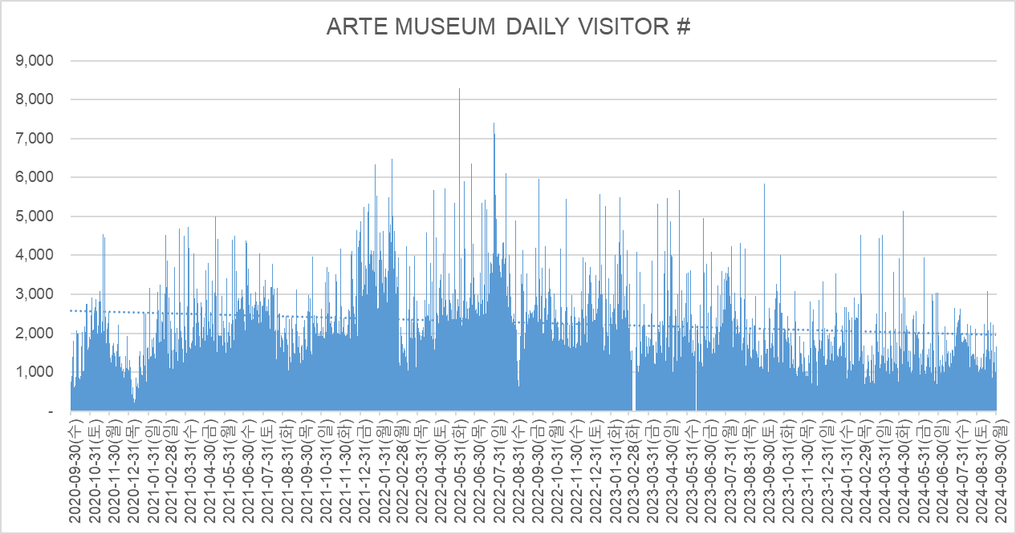

4. MONTHLY REVENUE (Income Statement Revenue of d'strict)
 | CATEGORY | TICKET | MD Consign. | F&B Consign. | CVS Consign. | TOTAL
 | Jan-24 | 734,327,919 | 67,111,609 | 1,347,207 | 28,673,849 | 831,460,584 |  | 831460584
 | Feb-24 | 788,307,473 | 74,303,591 | 1,561,746 | 28,248,214 | 892,421,024 |  | 892421024
 | Mar-24 | 576,034,117 | 62,617,500 | 1,769,007 | 25,867,777 | 666,288,401 |  | 666288401
 | Apr-24 | 635,788,025 | 85,932,705 | 2,621,284 | 31,854,898 | 756,196,912 |  | 756196912
 | May-24 | 676,241,208 | 111,226,823 | 3,904,354 | 34,989,577 | 826,361,962 |  | 826361962
 | Jun-24 | 630,970,943 | 82,223,272 | 4,082,516 | 30,375,523 | 747,652,254 |  | 747652254
 | Jul-24 | 629,619,402 | 71,551,078 | 4,868,372 | 29,992,559 | 736,031,411 |  | 736031411
 | Aug-24 | 700,534,058 | 73,709,754 | 5,454,240 | 36,008,676 | 815,706,728 |  | 815592704
 | Sep-24 | 582,110,909 | 76,723,468 | 2,631,364 | 30,066,815 | 691,532,556
 | Total | 45,051,632,191 | 5,038,812,272 | 149,181,431 | 736,786,662 | 50,976,412,556

5. OTHER INDICATOR
 | (1) ARTE TEABAR |  |  |  |  |  | (Including VAT)
 | CATEGORY | Today # | Today % of visitors | Today's Sales | Acc. # | Acc. % of visitors | Acc. Sales
 | On-Site Sales | 101 | 6.1% | 418,000 | 81,264 | 2.5% | 328,207,000
 | Package Sales | 168 | 10.2% | 336,000 | 396,222 | 12.0% | 1,145,027,000
 | Total | 269 | 16.3% | 754,000 | 477,486 | 14.4% | 1,473,234,000

 | (2) ARTE SHOP |  |  |  |  |  | (Including VAT)
 | CATEGORY | Today # | Today % of visitors | Today's Sales | Acc. # | Acc. % of visitors | Acc. Sales
 | On-Site Sales | 494 | 29.9% | 7,504,800 | 714,442 | 21.6% | 12,757,066,000
 | Total | 494 | 29.9% | 7,504,800 | 714,442 | 21.6% | 12,757,066,000

 | (3) ARTE CONVENIENCE STORE |  |  |  |  |  | (Including VAT)
 | CATEGORY | Today # | Today % of visitors | Today's Sales | Acc. # | Acc. % of visitors | Acc. Sales
 | On-Site Sales | 346 | 20.9% | 1,431,468 | 153,772 | 12.1% | 811,127,439
 | Total | 346 | 20.9% | 1,431,468 | 153,772 | 12.1% | 811,127,439

 | (4) RESIDENCE |  |  |  |  |  | (Including VAT)
 | CATEGORY | Today # | Today % | Today's Sales | Acc. # | Acc. % | Acc. Sales
 | JEJU Residence | 11 | 0.7% | 151,000 | 131,243 | 4.0% | 1,665,733,500
 | Tourist | 1,554 | 99.3% | 19,598,750 | 3,140,762 | 96.0% | 45,066,464,990
 | Total | 1,565 | 100.0% | 19,749,750 | 3,272,005 | 100.0% | 46,732,198,490
 |  | - |  |  | -
 | (5) AGE |  |  |  |  |  | (Including VAT)
 | CATEGORY | Today # | Today % | Today's Sales | Acc. # | Acc. % | Acc. Sales
 | Adult | 614 | 39.2% | 9,888,750 | 2,503,688 | 76.5% | 39,169,304,170
 | Youth | 694 | 44.3% | 7,655,200 | 296,804 | 9.1% | 3,441,107,470
 | Child | 187 | 11.9% | 1,619,800 | 235,261 | 7.2% | 2,186,497,350
 | Special Price | 70 | 4.5% | 586,000 | 236,252 | 7.2% | 1,935,289,500
 | Total | 1,565 | 100.0% | 19,749,750 | 3,272,005 | 100.0% | 46,732,198,490

 | (6) PAYMENT |  |  |  |  |  | (Including VAT)
 | CATEGORY | Today # | Today % | Today's Sales | Acc. # | Acc. % | Acc. Sales
 | Cash |  | 6.3% | 1,252,000 |  | 2.9% | 1,366,374,500
 | Credit Card |  | 82.4% | 16,281,000 |  | 67.4% | 31,516,358,500
 | Online Purchase |  | 11.2% | 2,216,750 |  | 29.6% | 13,849,465,490
 | Total |  | 100.0% | 19,749,750 |  | 100.0% | 46,732,198,490

 | (7) TODAY'S SALES |  |  |  |  | (Including VAT)
 | CATEGORY | Ticket | MD | TEA BAR | CVS | Total
 | Today's Sales | 19,749,750 | 7,504,800 | 418,000 | 1,431,468 | 29,104,018
 | Total | 19,749,750 | 7,504,800 | 418,000 | 1,431,468 | 29,104,018

 | (8) ACC. SALES |  |  |  |  | (Including VAT)
 | CATEGORY | Ticket | MD | TEA BAR | CVS | Total
 | ACC. Sales | 46,732,198,490 | 12,757,066,000 | 328,207,000 | 811,127,439 | 60,628,598,929
 | Total | 46,732,198,490 | 12,757,066,000 | 328,207,000 | 811,127,439 | 60,628,598,929

 | (9) PRICE PER VISITOR |  |  |  |  | (Including VAT)
 | CATEGORY | Ticket | MD | TEA BAR | CVS | Total
 | Open Discount Period (~2020) | 10,583 | 2,697 | 114 | - | 13,393
 | Normal Price Period (2021.01~2021.06) | 13,553 | 3,326 | 81 | - | 16,960
 | Normal Price Period (2021.07~) | 14,403 | 3,995 | 101 | 637 | 19,136
 | Total | 14,118 | 3,854 | 99 | 637 | 18,708
 |  |  |  |  |  | -

ARTE YS
ARTE MUSEUM OCEAN KEY INDICATOR SUMMARY |  |  |  |  |  | 2024-09-30

1. VISITORS NUMBER
 | CATEGORY | Today # | Today % | Accumulation # | Accumulation % | Daily Average #
 | Paid-Visitors(Offline) | 285 | 74.4% | 817,143 | 65.9% | 711
 | Paid-Visitors(Online) | 98 | 25.6% | 412,664 | 33.3% | 359
 | Free-Visitors | - | 0.0% | 10,386 | 0.8% | 9
 | Total | 383 | 100.0% | 1,240,193 | 100.0% | 1,078
 |  | - |  | - |  | -
2. TICKET REVENUE
 | CATEGORY | Today # | Accumulation #
 | POS Revenue | 5,926,000 | 19,130,919,000
 | Accounting Revenue | 5,387,272 | 17,391,742,123
 | Ticket Revenue of I/S | 5,387,272 | 17,391,742,123
 | ※ There may be a slight singular difference between the above number and the exact accounting ticket revenue stated in the income statement.※

3. DAILY VISITOR'S TREND
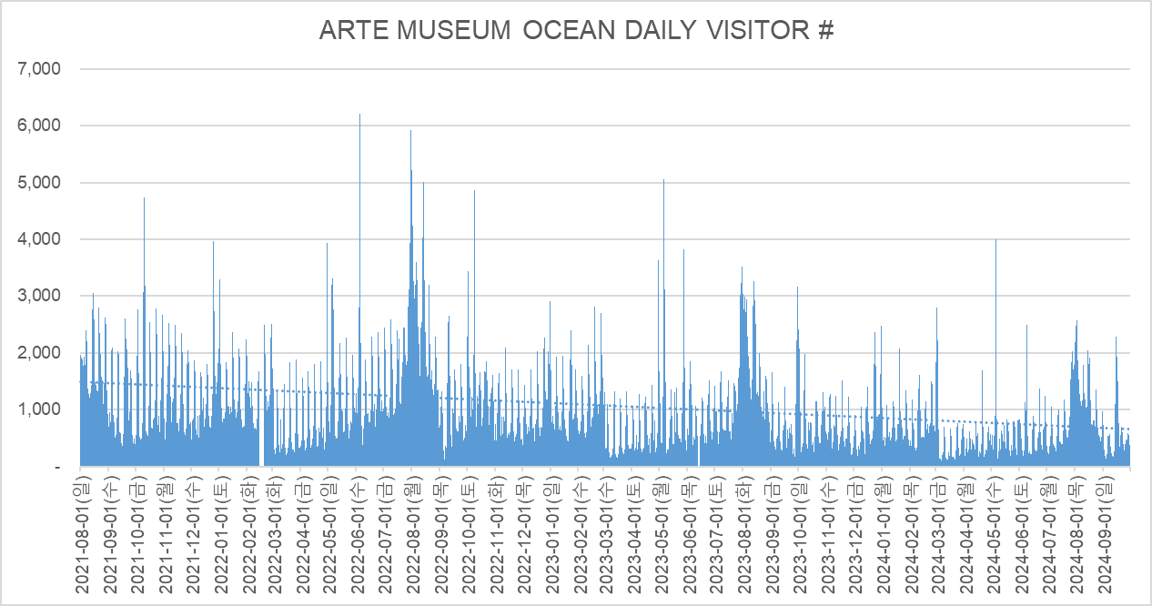

4. MONTHLY REVENUE (Income Statement Revenue of hyundaifuturenet)
 | CATEGORY | TICKET | MD Consign. | F&B Consign. | CAFE Consign. | TOTAL
 | Jan-24 | 325,299,466 | 31,862,175 | 549,058 | 4,407,802 | 362,118,501
 | Feb-24 | 335,994,915 | 31,575,694 | 712,689 | 4,521,503 | 372,804,802
 | Mar-24 | 216,833,847 | 16,106,654 | 418,158 | 4,119,640 | 237,478,299
 | Apr-24 | 181,996,568 | 11,067,919 | 345,437 | 3,332,376 | 196,742,299
 | May-24 | 264,523,798 | 14,758,795 | 906,335 | 2,924,335 | 283,113,263
 | Jun-24 | 260,260,189 | 30,983,419 | 709,065 | - | 291,952,673
 | Jul-24 | 338,479,271 | 40,202,199 | 976,326 | - | 379,657,795
 | Aug-24 | 546,136,682 | 56,562,471 | 2,593,549 | - | 605,292,702
 | Sep-24 | 241,079,091 | 35,416,364 | 1,104,545 | - | 277,600,000
 | Total | 17,391,744,132 | 1,564,105,406 | 55,297,368 | 226,101,857 | 19,237,248,763

5. OTHER INDICATOR

 | (1) ARTE TEABAR |  |  |  |  |  | (Including VAT)
 | CATEGORY | Today # | Today % of visitors | Today's Sales | Acc. # | Acc. % of visitors | Acc. Sales
 | On-Site Sales | 8 | 2.1% | 24,000 | 15,726 | 1.3% | 60,835,000
 | Package Sales | 69 | 18.0% | 138,000 | 173,198 | 14.0% | 498,030,000
 | Total | 77 | 20.1% | 162,000 | 188,924 | 15.2% | 558,865,000

 | (2) ARTE SHOP |  |  |  |  |  | (Including VAT)
 | CATEGORY | Today # | Today % of visitors | Today's Sales | Acc. # | Acc. % of visitors | Acc. Sales
 | On-Site Sales | 32 | 8.4% | 443,300 | 126,904 | 10.2% | 1,719,662,400
 | Total | 32 | 8.4% | 443,300 | 126,904 | 10.2% | 1,719,662,400

 | (3) CAFÉ A |  |  |  |  |  | (Including VAT)
 | CATEGORY | Today # | Today % of visitors | Today's Sales | Acc. # | Acc. % of visitors | Acc. Sales
 | On-Site Sales | - | 0.0% | - | 54,035 | 5.1% | 248,702,600
 | Total | - | 0.0% | - | 54,035 | 5.1% | 248,702,600

 | (4) RESIDENCE |  |  |  |  |  | (Including VAT)
 | CATEGORY | Today # | Today % | Today's Sales | Acc. # | Acc. % | Acc. Sales
 | YEOSU Residence | 17 | 4.4% | 244,000 | 48,635 | 4.0% | 686,715,000
 | Tourist | 366 | 95.6% | 5,682,000 | 1,181,172 | 96.0% | 18,414,730,000
 | Total | 383 | 100.0% | 5,926,000 | 1,229,807 | 100.0% | 19,101,445,000
 |  | - |  |  | -
 | (5) AGE |  |  |  |  |  | (Including VAT)
 | CATEGORY | Today # | Today % | Today's Sales | Acc. # | Acc. % | Acc. Sales
 | Adult | 335 | 87.5% | 5,458,000 | 957,962 | 77.9% | 16,167,124,000
 | Youth | 4 | 1.0% | 48,000 | 110,420 | 9.0% | 1,369,270,000
 | Child | 38 | 9.9% | 370,000 | 143,159 | 11.6% | 1,378,015,000
 | Special Price | 6 | 1.6% | 50,000 | 18,266 | 1.5% | 187,036,000
 | Total | 383 | 100.0% | 5,926,000 | 1,229,807 | 100.0% | 19,101,445,000

 | (6) PAYMENT |  |  |  |  |  | (Including VAT)
 | CATEGORY | Today # | Today % | Today's Sales | Acc. # | Acc. % | Acc. Sales
 | Cash |  | 2.3% | 188,000 |  | 1.6% | 467,890,700
 | Credit Card |  | 69.8% | 4,552,300 |  | 61.9% | 13,708,993,300
 | Online Purchase |  | 27.9% | 1,653,000 |  | 36.1% | 6,915,194,000
 | Offline Purchase |  | 0.0% | - |  | 0.4% | 68,041,000
 | Total |  | 100.0% | 6,393,300 |  | 100.0% | 21,160,119,000

 | (7) TODAY'S SALES |  |  |  |  | (Including VAT)
 | CATEGORY | Ticket | MD | TEA BAR | CAFÉ A | Total
 | Today's Sales | 5,926,000 | 443,300 | 24,000 | - | 6,393,300
 | Total | 5,926,000 | 443,300 | 24,000 | - | 6,393,300

 | (8) ACC. SALES |  |  |  |  | (Including VAT)
 | CATEGORY | Ticket | MD | TEA BAR | CAFÉ A | Total
 | ACC. Sales | 19,130,919,000 | 1,719,662,400 | 60,835,000 | 248,702,600 | 21,160,119,000
 | Total | 19,130,919,000 | 1,719,662,400 | 60,835,000 | 248,702,600 | 21,160,119,000

 | (9) PRICE PER VISITOR |  |  |  |  | (Including VAT)
 | CATEGORY | Ticket | MD | TEA BAR | CAFÉ A | Total
 | Normal Price Period | 15,426 | 1,387 | 49 | 201 | 17,062
 | Total | 15,426 | 1,387 | 49 | 201 | 17,062
 |  |  |  |  |  | -

ARTE GN
ARTE MUSEUM VALLEY KEY INDICATOR SUMMARY |  |  |  |  |  | 2024-09-30

1. VISITORS NUMBER
 | CATEGORY | Today # | Today % | Accumulation # | Accumulation % | Daily Average #
 | Paid-Visitors(Offline) | 523 | 68.9% | 1,430,633 | 65.0% | 1,416
 | Paid-Visitors(Online) | 232 | 30.6% | 750,999 | 34.1% | 744
 | Free-Visitors | 4 | 0.5% | 20,900 | 0.9% | 21
 | Total | 759 | 100.0% | 2,202,532 | 100.0% | 2,181
 |  | - |  | - |  | -
2. TICKET REVENUE
 | CATEGORY | Today # | Accumulation #
 | POS Revenue | 11,946,000 | 33,466,786,000
 | Accounting Revenue | 10,860,000 | 30,424,371,533
 | Ticket Revenue of I/S | 10,860,000 | 30,424,371,533
 | ※ There may be a slight singular difference between the above number and the exact accounting ticket revenue stated in the income statement.※

3. DAILY VISITOR'S TREND
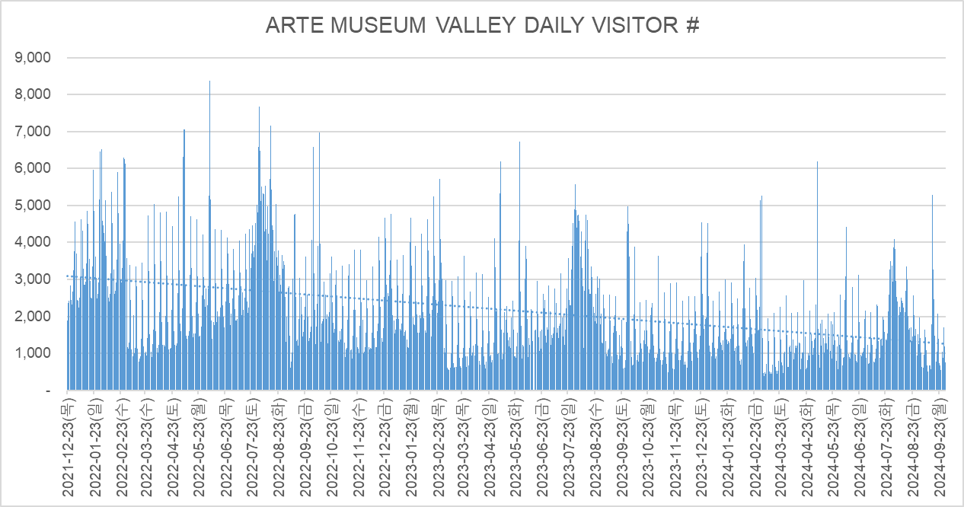

4. MONTHLY REVENUE (Income Statement Revenue of d'strict)
 | CATEGORY | TICKET | MD Consign. | F&B Consign. | CAFÉ Consign. | PHOTO Consign. | CAPSULE Consign. | TOTAL
 | Jan-24 | 687,491,270 | 88,049,451 | 2,472,576 | 12,902,828 | 6,650,546 | - | 797,566,671
 | Feb-24 | 732,472,720 | 91,693,000 | 2,890,733 | 14,326,826 | 6,055,636 | - | 847,438,915
 | Mar-24 | 533,156,050 | 31,456,900 | 1,974,422 | 11,097,281 | 4,717,092 | - | 582,401,745
 | Apr-24 | 479,123,114 | 18,036,324 | 1,717,204 | 20,156,666 | 4,152,364 | - | 523,185,672
 | May-24 | 611,423,152 | 28,373,615 | 4,179,788 | 16,232,220 | 5,210,545 | - | 665,419,320
 | Jun-24 | 633,255,952 | 27,832,387 | 5,586,036 | 14,851,341 | 5,664,000 | - | 687,189,716
 | Jul-24 | 715,696,376 | 34,849,850 | 6,232,353 | 15,666,865 | 7,442,910 | 400,909 | 780,289,263
 | Aug-24 | 977,440,299 | 47,877,788 | 7,422,304 | 20,198,013 | 9,237,819 | 4,801,364 | 1,066,977,587
 | Sep-24 | 531,395,000 | 25,621,965 | 3,630,000 | 11,889,227 | 4,733,092 | 1,541,590 | 578,810,874
 | Total | 30,424,376,376 | 3,071,607,015 | 154,357,488 | 541,008,827 | 74,388,549 | 6,743,863 | 34,272,482,118

5. OTHER INDICATOR

 | (1) ARTE TEABAR |  |  |  |  |  | (Including VAT)
 | CATEGORY | Today # | Today % of visitors | Today's Sales | Acc. # | Acc. % of visitors | Acc. Sales
 | On-Site Sales | 21 | 2.8% | 96,000 | 41,626 | 1.9% | 169,798,000
 | Package Sales | 107 | 14.1% | 214,000 | 297,179 | 13.5% | 853,000,000
 | Total | 128 | 16.9% | 310,000 | 338,805 | 15.4% | 1,022,798,000

 | (2) ARTE SHOP |  |  |  |  |  | (Including VAT)
 | CATEGORY | Today # | Today % of visitors | Today's Sales | Acc. # | Acc. % of visitors | Acc. Sales
 | On-Site Sales | 102 | 13.4% | 1,776,500 | 242,383 | 11.0% | 3,843,233,400
 | Total | 102 | 13.4% | 1,776,500 | 242,383 | 11.0% | 3,843,233,400

 | (3) CAFÉ A |  |  |  |  |  | (Including VAT)
 | CATEGORY | Today # | Today % of visitors | Today's Sales | Acc. # | Acc. % of visitors | Acc. Sales
 | On-Site Sales | 99 | 13.0% | 485,550 | 118,287 | 5.4% | 595,105,000
 | Total | 99 | 13.0% | 485,550 | 118,287 | 5.4% | 595,105,000

 | (4) PHOTO BOOTH |  |  |  |  |  | (Including VAT)
 | CATEGORY | Today # | Today % of visitors | Today's Sales | Acc. # | Acc. % of visitors | Acc. Sales
 | On-Site Sales | 43 | 5.7% | 113,091 | 28,213 | 4.5% | 74,388,549
 | Total | 43 | 5.7% | 113,091 | 28,213 | 4.5% | 74,388,549

 | (5) CAPSULE MACHINE |  |  |  |  |  | (Including VAT)
 | CATEGORY | Today # | Today % of visitors | Today's Sales | Acc. # | Acc. % of visitors | Acc. Sales
 | On-Site Sales | - | 0.0% | - | 4,239 | 3.6% | 6,743,863
 | Total | - | 0.0% | - | 4,239 | 3.6% | 6,743,863

 | (6) RESIDENCE |  |  |  |  |  | (Including VAT)
 | CATEGORY | Today # | Today % | Today's Sales | Acc. # | Acc. % | Acc. Sales
 | GANGNEUNG Residence | 2 | 0.3% | 17,000 | 72,684 | 3.3% | 575,292,000
 | Tourist | 753 | 99.2% | 11,929,000 | 2,108,948 | 95.8% | 32,891,494,000
 | Total | 755 | 99.5% | 11,946,000 | 2,181,632 | 99.1% | 33,466,786,000
 |  | - |  |  | -
 | (7) AGE |  |  |  |  |  | (Including VAT)
 | CATEGORY | Today # | Today % | Today's Sales | Acc. # | Acc. % | Acc. Sales
 | Adult | 679 | 89.5% | 11,177,000 | 1,772,145 | 80.5% | 29,262,981,500
 | Youth | 11 | 1.4% | 143,000 | 146,972 | 6.7% | 1,791,853,000
 | Child | 56 | 7.4% | 550,000 | 237,171 | 10.8% | 2,210,005,500
 | Special Price | 9 | 1.2% | 76,000 | 25,344 | 1.2% | 201,946,000
 | Total | 755 | 99.5% | 11,946,000 | 2,181,632 | 99.1% | 33,466,786,000

 | (8) PAYMENT |  |  |  |  |  | (Including VAT)
 | CATEGORY | Today # | Today % | Today's Sales | Acc. # | Acc. % | Acc. Sales
 | Cash |  | 2.9% | 578,500 |  | 1.4% | 757,783,300
 | Credit Card |  | 64.6% | 9,838,550 |  | 60.8% | 24,662,639,100
 | Online Purchase |  | 32.5% | 3,887,000 |  | 37.8% | 12,654,500,000
 | Total |  | 100.0% | 14,304,050 |  | 100.0% | 38,074,922,400

 | (9) TODAY'S SALES |  |  |  |  | (Including VAT)
 | CATEGORY | Ticket | MD | TEA BAR | CAFÉ A | Total
 | Today's Sales | 11,946,000 | 1,776,500 | 96,000 | 485,550 | 14,304,050
 | Total | 11,946,000 | 1,776,500 | 96,000 | 485,550 | 14,304,050

 | (10) ACC. SALES |  |  |  |  | (Including VAT)
 | CATEGORY | Ticket | MD | TEA BAR | CAFÉ A | Total
 | ACC. Sales | 33,466,786,000 | 3,843,233,400 | 169,798,000 | 595,105,000 | 38,074,922,400
 | Total | 33,466,786,000 | 3,843,233,400 | 169,798,000 | 595,105,000 | 38,074,922,400

 | (11) PRICE PER VISITOR |  |  |  |  | (Including VAT)
 | CATEGORY | Ticket | MD | TEA BAR | CAFÉ A | Total
 | Normal Price Period | 15,195 | 1,745 | 77 | 270 | 17,287
 | Total | 15,195 | 1,745 | 77 | 270 | 17,287
 |  |  |  |  |  | -

ARTE HK
ARTE M HK KEY INDICATOR SUMMARY |  |  |  |  |  | 2024-09-30

1. VISITORS NUMBER
 | CATEGORY | Today # | Today % | Acc. # | Acc. % of visitors | Daily Average #
 | Paid-Visitors(Offline) | 2 | 8.3% | 49,119 | 29.6% | 68
 | Paid-Visitors(Online) | 22 | 91.7% | 111,897 | 67.5% | 154
 | Free-Visitors | - | 0.0% | 4,737 | 2.9% | 7
 | Total | 24 | 100.0% | 165,753 | 100.0% | 228
 |  | - |  | -
2. TICKET REVENUE
 | CATEGORY | Today Sales | Acc. Sales
 | POS Revenue | $1,671.04 | $16,104,641.63
 | Accounting Revenue | $1,671.04 | $16,104,641.63
 | Ticket Revenue of I/S | $1,671.04 | $16,104,641.63
 | ※ There may be a slight singular difference between the above number and the exact accounting ticket revenue stated in the income statement

3. DAILY VISITOR'S TREND
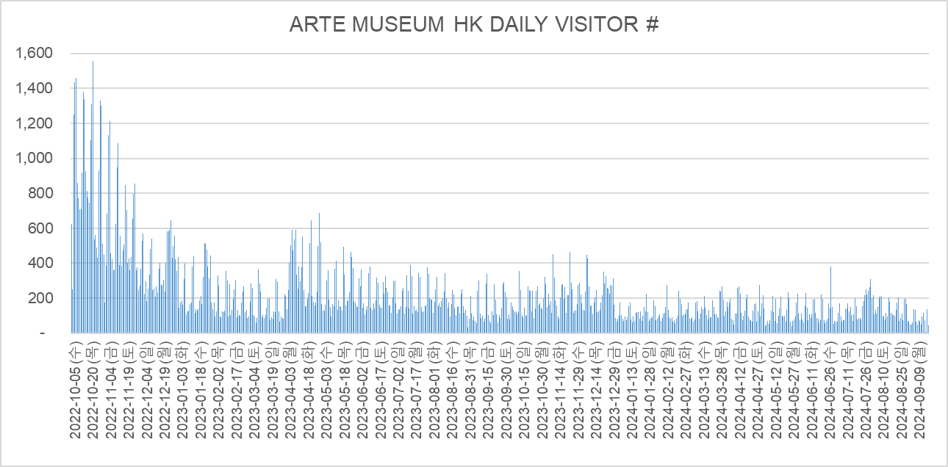

4. MONTHLY REVENUE
 | CATEGORY | TICKET | MD | F&B | TOTAL
 | Jan-24 | $336,481.00 | $32,863.00 |  | $369,344.00
 | Feb-24 | $324,737.00 | $28,185.00 |  | $352,922.00
 | Mar-24 | $406,939.00 | $21,930.00 |  | $428,869.00
 | Apr-24 | $417,077.84 | $29,322.00 |  | $446,399.84
 | May-24 | $377,470.24 | $26,353.00 |  | $403,823.24
 | Jun-24 | $361,300.30 | $33,322.00 |  | $394,622.30
 | Jul-24 | $368,906.61 | $29,837.00 |  | $398,743.61
 | Aug-24 | $378,280.12 | $39,941.00 |  | $418,221.12
 | Sep-24 | $303,528.72 | $24,553.00 |  | $328,081.72
 | Total | $16,104,641.63 | $882,103.00 | - | $16,986,744.63

5. OTHER INDICATOR

 | (1) WEEKDAY vs WEEKEND
 | CATEGORY | Today # | Today % | Today Sales | Acc. # | Acc. % of visitors | Acc. Sales
 | Weekday | 24 | 100.0% | $1,671.04 | 86,860 | 52.4% | $7,750,762.93
 | Weekend | - | 0.0% | $0.00 | 78,893 | 47.6% | $8,353,878.70
 | Total | 24 | 100.0% | $1,671.04 | 165,753 | 100.0% | $16,104,641.63

 | (2) AGE GROUP
 | CATEGORY | Today # | Today % | Today Sales | Acc. # | Acc. % of visitors | Acc. Sales
 | Adult | 24 | 100.0% | $1,671.04 | 137,847 | 83.2% | $13,927,524.62
 | Concession | - | 0.0% | $0.00 | 26,751 | 16.1% | $2,177,117.01
 | Infant | - | 0.0% | $0.00 | 1,155 | 0.7% | $0.00
 | Total | 24 | 100.0% | $1,671.04 | 165,753 | 100.0% | $16,104,641.63

 | (3) PAYMENT TYPE
 | CATEGORY | Today # | Today % | Today Sales | Acc. # | Acc. % of visitors | Acc. Sales
 | Alipay & Wechat |  | 17.8% | $1,628.00 |  | 2.1% | $333,761.00
 | Credit Card |  | 16.4% | $1,500.00 |  | 74.5% | $12,025,582.20
 | Octopus |  | 0.0% | $0.00 |  | 7.6% | $1,229,480.00
 | Other |  | 65.8% | $6,012.44 |  | 15.9% | $2,562,265.98
 | Total |  | 100.0% | $9,140.44 |  | 100.0% | $16,151,089.18

 | (4) ARTE SHOP
 | CATEGORY | Today # | Today % | Today Sales | Acc. # | Acc. % of visitors | Acc. Sales
 | On-Site Sales | 5 | 20.8% | $740.00 | 6,051 | 3.7% | $882,103
 | Total | 5 | 20.8% | $740.00 | 6,051 | 3.7% | $882,103

 | (5) TICKET SOLD | ※ Including booking in advance
 | CATEGORY | Today # | Today % | Today Sales | Acc. # | Acc. % of visitors | Acc. Sales
 | Walk in | 47 | 58.8% | $6,326.00 | 46,707 | 29.4% | $6,083,344.20
 | Direct Distribution | 33 | 41.3% | $4,299.02 | 98,938 | 62.2% | $9,381,699.61
 | Ctrip | - | 0.0% | $0.00 | 6 | 0.0% | $444.00
 | GIT | - | 0.0% | $0.00 | 7,306 | 4.6% | $487,121.40
 | Staff | - | 0.0% | $0.00 | 841 | 0.5% | $56,874.00
 | VIP | - | 0.0% | $0.00 | 3,290 | 2.1% | $0.00
 | NGO | - | 0.0% | $0.00 | 1,889 | 1.2% | $181,699.00
 | Total | 80 | 100.0% | $10,625.02 | 158,977 | 100.0% | $16,191,182.21

ARTE CD
ARTE MUSEUM CHENGDU INDICATOR SUMMARY |  |  |  |  |  | 2024-09-30

1. VISITORS NUMBER
 | CATEGORY票型 | Today当日# | Today当日% | Acc.累计# | Acc. % of visitors累计 | Daily Average日均#
 | Paid-Offline | 14 | 11.0% | 84,824 | 29.5% | 162
 | Paid-Online | 105 | 82.7% | 199,697 | 69.4% | 383
 | Free-Visitors | 8 | 6.3% | 3,293 | 1.1% | 6
 | Total | 127 | 100.0% | 287,814 | 100.0% | 551
 |  | - |  | -
2. TICKET REVENUE
 | CATEGORY票型 | Today Sales日销售额 | Acc. Sales累计销售额
 | POS Revenue | ¥7,941.10 | ¥29,097,336.14
 | Accounting Revenue | ¥7,491.60 | ¥27,450,317.11
 | Ticket Revenue of I/S | ¥7,491.60 | ¥27,450,317.11
 | ※ There may be a slight singular difference between the above number and the exact accounting ticket revenue stated in the income statement

3. DAILY VISITOR'S TREND
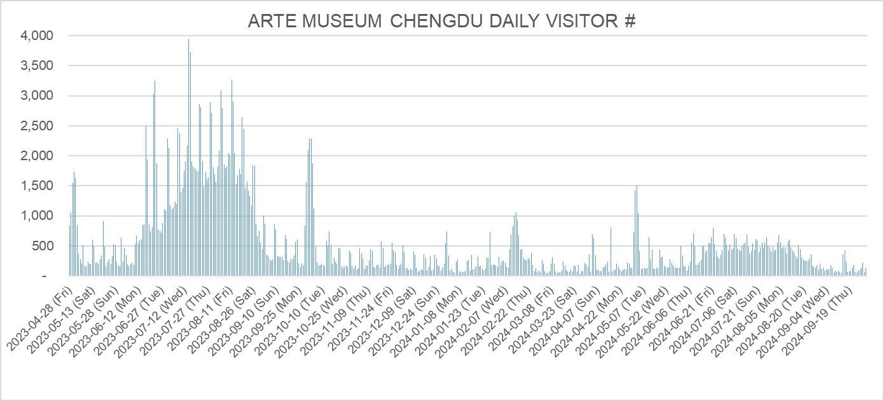

4. MONTHLY REVENUE |  |  |  |  | (Excluding VAT)
 | CATEGORY票型 | TICKET门票 | MD Consign.精品店 | F&B 茶坊 | TOTAL销售额
 | Jan-24 | ¥427,593.94 | ¥15,646.81 | ¥3,995.28 | ¥447,236.04
 | Feb-24 | ¥699,721.17 | ¥27,179.64 | ¥4,510.03 | ¥731,410.84
 | Mar-24 | ¥329,446.75 | ¥14,247.26 | ¥3,084.91 | ¥346,778.91
 | Apr-24 | ¥414,828.61 | ¥16,366.73 | ¥2,609.91 | ¥433,805.24
 | May-24 | ¥691,964.43 | ¥13,512.30 | ¥3,680.42 | ¥709,157.16
 | Jun-24 | ¥780,603.58 | ¥23,800.62 | ¥2,021.23 | ¥806,425.42
 | Jul-24 | ¥1,052,193.58 | ¥1,191.95 | ¥- | ¥1,053,385.53
 | Aug-24 | ¥805,115.61 | ¥29,871.69 | ¥193.40 | ¥835,180.70
 | Sep-24 | ¥239,030.72 | ¥32,950.42 | ¥120.28 | ¥272,101.42
 | Total | ¥27,375,017.58 | ¥1,016,989.61 | ¥273,752.90 | ¥28,665,760.09
 |  |  |  |  |  |  |  | -0
5. OTHER INDICATOR
 | (1) WEEKDAY vs WEEKEND |  |  |  |  |  | (Including VAT)
 | Category票型 | Today当日# | Today当日% | Today Sales日销售额 | Acc.累计# | Acc. % of visitors累计 | Acc. Sales累计销售额
 | Weekday平时 | 127 | 100.0% | ¥7,941.10 | 152,184 | 52.9% | ¥15,550,221.39
 | Weekend周末 | - | 0.0% | ¥- | 135,630 | 47.1% | ¥13,547,114.75
 | Total | 127 | 100.0% | ¥7,941.10 | 287,814 | 100.0% | ¥29,097,336.14

 | (2) TICKET CHANNEL |  |  |  |  |  | (Including VAT)
 | Category票型 | Today当日# | Today当日% | Today Sales日销售额 | Acc.累计# | Acc. % of visitors累计 | Acc. Sales累计销售额
 | On Site现场 | 14 | 11.0% | ¥1,393.00 | 78,360 | 27.2% | ¥8,806,512.00
 | WeChat微信 | - | 0.0% | ¥- | 24,326 | 8.5% | ¥2,509,474.90
 | TikTok抖音 | 7 | 5.5% | ¥642.00 | 57,560 | 20.0% | ¥5,962,674.30
 | GIT团体 | - | 0.0% | ¥- | 5,236 | 1.8% | ¥453,120.00
 | MeiTuan美团 | - | 0.0% | ¥- | 41,164 | 14.3% | ¥4,952,738.00
 | Ctrip携程 | - | 0.0% | ¥- | 15,882 | 5.5% | ¥1,886,028.00
 | XiaLv侠网 | - | 0.0% | ¥- | 8 | 0.0% | ¥756.00
 | DaMai大麦 | - | 0.0% | ¥- | 3,720 | 1.3% | ¥445,325.00
 | KuaiShou快手 | - | 0.0% | ¥- | 141 | 0.0% | ¥15,680.00
 | SiMei思美 | - | 0.0% | ¥- | 972 | 0.3% | ¥96,558.00
 | Travel Agency旅行社 | - | 0.0% | ¥- | 2,776 | 1.0% | ¥201,180.00
 | GongKong 工控 | 77 | 60.6% | ¥4,212.10 | 52,334 | 18.2% | ¥3,595,853.94
 | YouZan有赞 | 21 | 16.5% | ¥1,694.00 | 2,042 | 0.7% | ¥171,436.00
 | VIP贵宾 | 8 | 6.3% | ¥- | 3,293 | 1.1% | ¥-
 | Total | 127 | 100.0% | ¥7,941.10 | 287,814 | 100.0% | ¥29,097,336.14

 | (3) AGE GROUP |  |  |  |  |  | (Including VAT)
 | Category票型 | Today当日# | Today当日% | Today Sales日销售额 | Acc.累计# | Acc. % of visitors累计 | Acc. Sales累计销售额
 | Adult成人 | 107 | 84.3% | ¥6,569.60 | 197,612 | 68.7% | ¥21,196,770.31
 | Student学生 | 3 | 2.4% | ¥270.00 | 31,180 | 10.8% | ¥3,148,210.50
 | Concession优待 | 17 | 13.4% | ¥1,101.50 | 59,022 | 20.5% | ¥4,752,355.33
 | Total | 127 | 100.0% | ¥7,941.10 | 287,814 | 100.0% | ¥29,097,336.14

 | (4) ARTE TEABAR |  |  |  |  |  | (Including VAT)
 | Category票型 | Today当日# | Today当日% | Today Sales日销售额 | Acc.累计# | Acc. % of visitors累计 | Acc. Sales累计销售额
 | On-Site Sales现场 | - | 0.0% | ¥- | 7,651 | 2.7% | ¥153,020.00
 | Paid-Online线上 | - | 0.0% | ¥- | 3,935 | 1.4% | ¥57,340.57
 | Package Sales套票 | 2 | 1.6% | ¥- | 5,332 | 1.9% | ¥-
 | Total | 2 | 1.6% | ¥- | 16,918 | 5.9% | ¥210,360.57

 | (5) ARTE SHOP |  |  |  |  |  | (Including VAT)
 | Category票型 | Today当日# | Today当日% | Today Sales日销售额 | Acc.累计# | Acc. % of visitors累计 | Acc. Sales累计销售额
 | On-Site Sales现场 | 9 | 7.1% | ¥1,036.70 | 17,597 | 6.1% | ¥1,149,198.26
 | Total | 9 | 7.1% | ¥1,036.70 | 17,597 | 6.1% | ¥1,149,198.26

 | (6) TICKET SOLD | ※ Including booking in advance |  |  |  |  | (Including VAT)
 | Category票型 | Today当日# | Today当日% | Today Sales日销售额 | Acc.累计# | Acc. % of visitors累计 | Acc. Sales累计销售额
 | On Site现场 | 14 | 3.5% | ¥1,393.00 | 77,499 | 26.0% | ¥8,737,468.00
 | WeChat微信 | - | 0.0% | ¥- | 25,566 | 8.6% | ¥2,620,614.90
 | TikTok抖音 | 52 | 12.8% | ¥4,423.00 | 61,015 | 20.5% | ¥6,254,494.20
 | GIT团体 | - | 0.0% | ¥- | 5,630 | 1.9% | ¥493,300.00
 | MeiTuan美团 | - | 0.0% | ¥- | 41,184 | 13.8% | ¥4,955,277.00
 | Ctrip携程 | - | 0.0% | ¥- | 15,893 | 5.3% | ¥1,887,416.00
 | XiaLv侠网 | - | 0.0% | ¥- | 8 | 0.0% | ¥756.00
 | DaMai大麦 | - | 0.0% | ¥- | 3,888 | 1.3% | ¥464,615.00
 | KuaiShou快手 | - | 0.0% | ¥- | 98 | 0.0% | ¥11,102.00
 | SiMei思美 | - | 0.0% | ¥- | 975 | 0.3% | ¥96,855.00
 | Travel Agency旅行社 | - | 0.0% | ¥- | 2,829 | 0.9% | ¥204,900.00
 | GongKong 工控 | 310 | 76.5% | ¥20,684.28 | 57,514 | 19.3% | ¥3,920,366.74
 | YouZan有赞 | 21 | 5.2% | ¥1,694.00 | 2,044 | 0.7% | ¥171,594.00
 | VIP贵宾 | 8 | 2.0% | ¥- | 3,749 | 1.3% | ¥-
 | Total | 405 | 100.0% | ¥28,194.28 | 297,892 | 100.0% | ¥29,818,758.84

ARTE LV
ARTE MUSEUM LAS VEGAS KEY INDICATOR SUMMARY |  |  |  |  |  | 2024-09-30

1. VISITORS NUMBER
 | CATEGORY | Today # | Today % | Accumulation # | Accumulation % | Daily Average #
 | Paid-Visitors(Online) | 568 | 59.1% | 276,583 | 97.5% | 848
 | Paid-Visitors(OnSite) | 377 | 39.2% | 4,548 | 1.6% | 14
 | Free-Visitors | 16 | 1.7% | 2,616 | 0.9% | 8
 | Total | 961 | 100.0% | 283,747 | 100.0% | 870
 |  | - |  | - |  | -
2. TICKET REVENUE
 | CATEGORY | Today # | Accumulation #
 | POS Revenue | $50,472.00 | $14,996,759.95
 | Accounting Revenue | $50,325.00 | $14,946,692.95
 | Ticket Revenue of I/S | $50,325.00 | $14,946,692.95
 | ※ There may be a slight singular difference between the above number and the exact accounting ticket revenue stated in the income statement.※

3. DAILY VISITOR'S TREND
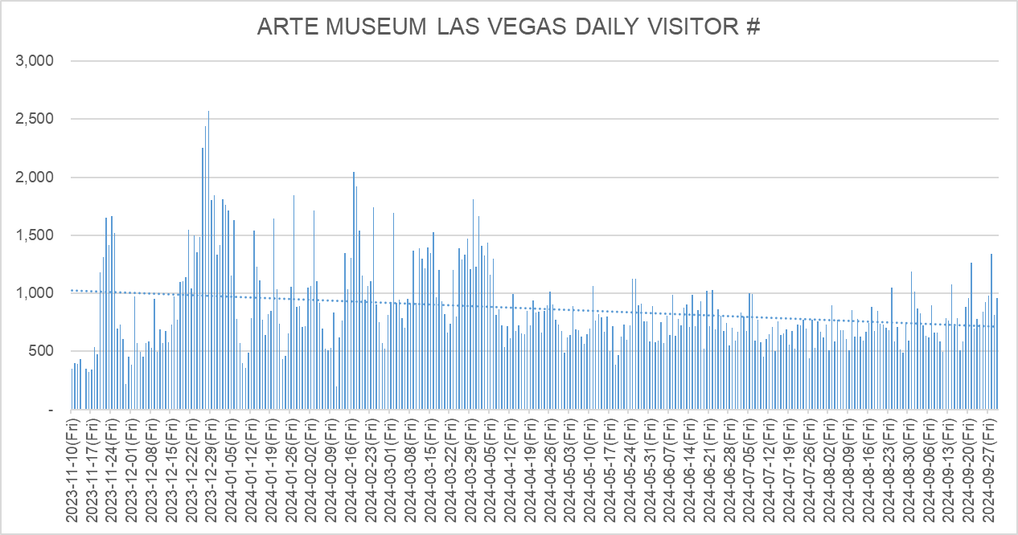

4. MONTHLY REVENUE
 | CATEGORY | TICKET | MD | TEA BAR | TOTAL
 | Nov-23 | $579,653.80 | $61,552.82 | $2,624.83 | $643,831.45
 | Dec-23 | $1,758,174.52 | $125,696.49 | $5,067.76 | $1,888,938.77
 | Jan-24 | $1,637,137.20 | $101,721.02 | $4,794.46 | $1,743,652.68
 | Feb-24 | $1,558,383.35 | $78,260.21 | $5,223.84 | $1,641,867.40
 | Mar-24 | $1,866,577.77 | $81,679.21 | $6,467.13 | $1,954,724.11
 | Apr-24 | $1,384,939.83 | $56,079.47 | $4,403.26 | $1,445,422.56
 | May-24 | $1,146,415.41 | $73,036.39 | $4,564.92 | $1,224,016.72
 | Jun-24 | $1,201,106.00 | $74,093.66 | $4,778.93 | $1,279,978.59
 | Jul-24 | $1,176,368.87 | $69,936.90 | $4,181.62 | $1,250,487.39
 | Aug-24 | $1,267,385.96 | $64,277.10 | $3,981.87 | $1,335,644.93
 | Sep-24 | $1,420,617.24 | $68,006.08 | $4,284.38 | $1,492,907.70
 | Total | $14,996,759.95 | $854,339.35 | $50,373.00 | $15,901,472.30

5. OTHER INDICATOR
 | (1) ARTE TEABAR |  |  |  |  |  | (Including VAT)
 | CATEGORY | Today # | Today % | Today's Sales | Acc. # | Acc. % of visitors | Acc. Sales
 | On-Site Sales | 29 | 3.1% | $184.32 | 8,965 | 3.2% | $50,373.00
 | Package Sales | 350 | 37.0% | $1,750.00 | 119,263 | 42.4% | $596,315.00
 | Total | 379 | 40.1% | $1,934.32 | 128,228 | 45.6% | $646,688.00

 | (2) ARTE MD |  |  |  |  |  | (Including VAT)
 | CATEGORY | Today # | Today % | Today's Sales | Acc. # | Acc. % of visitors | Acc. Sales
 | On-Site Sales | 103 | 10.9% | $2,345.73 | 34,944 | 12.4% | $854,339.35
 | Total | 103 | 10.9% | $2,345.73 | 34,944 | 12.4% | $854,339.35

 | (3) RESIDENCE |  |  |  |  |  | (Including VAT)
 | CATEGORY | Today # | Today % | Today's Sales | Acc. # | Acc. % of visitors | Acc. Sales
 | Las Vegas Residence | 71 | 7.5% | $3,303.40 | 38,690 | 13.8% | $1,789,234.04
 | Tourist | 874 | 92.5% | $47,168.60 | 242,441 | 86.2% | $13,207,525.91
 | Total | 945 | 100.0% | $50,472.00 | 281,131 | 100.0% | $14,996,759.95
 |  | - |  |  | -
 | (4) PRICE DISCOUNT CATEGORY |  |  |  |  |  | (Including VAT)
 | CATEGORY | Today # | Today % | Today's Sales | Acc. # | Acc. % of visitors | Acc. Sales
 | Adult | 782 | 82.8% | $42,860.58 | 161,295 | 57.4% | $9,300,400.26
 | Child/Senior/Military | 163 | 17.2% | $7,611.42 | 29,566 | 10.5% | $1,427,127.28
 | Early Bird/Twilight | - | 0.0% | $0.00 | 90,270 | 32.1% | $4,269,232.41
 | Total | 945 | 100.0% | $50,472.00 | 281,131 | 100.0% | $14,996,759.95

 | (5) WEEKDAY vs WEEKEND |  |  |  |  |  | (Including VAT)
 | CATEGORY | Today # | Today % | Today's Sales | Acc. # | Acc. % of visitors | Acc. Sales
 | Weekday | 945 | 100.0% | $50,472.00 | 146,170 | 52.0% | $7,101,680.98
 | Weekend | - | 0.0% | $0.00 | 134,961 | 48.0% | $7,895,078.97
 | Total | 945 | 100.0% | $50,472.00 | 281,131 | 100.0% | $14,996,759.95

 | (6) SALES BY CHANNEL | Performance date 기준 |  |  |  |  | (Including VAT)
 | CATEGORY | Today # | Today % | Today's Sales | Acc. # | Acc. % of visitors | Acc. Sales
 | Online - Website | 548 | 57.0% | $29,814.54 | 274,459 | 96.7% | $14,612,856.93
 | Onsite | 377 | 39.2% | $19,523.26 | 4,548 | 1.6% | $259,541.30
 | Get Your Guide | 4 | 0.4% | $200.00 | 247 | 0.1% | $14,394.24
 | Tiqets | - | 0.0% | $0.00 | 84 | 0.0% | $5,039.62
 | Vegas.com | 8 | 0.8% | $450.84 | 1,554 | 0.5% | $89,903.74
 | Viator | 8 | 0.8% | $483.36 | 239 | 0.1% | $15,024.12
 | VIP (Free) | 16 | 1.7% | $0.00 | 2,616 | 0.9% | $0.00
 | Total | 961 | 100.0% | $50,472.00 | 283,747 | 100.0% | $14,996,759.95
 |  |  |  |  | -
 | (7) TODAY'S SALES |  |  |  | (Including VAT)
 | CATEGORY | Ticket | MD | TEA BAR | Total
 | Today's Sales | $50,472.00 | $2,345.73 | $184.32 | $53,002.05
 | Total | $50,472.00 | $2,345.73 | $184.32 | $53,002.05

 | (8) ACC. SALES |  |  |  | (Including VAT)
 | CATEGORY | Ticket | MD | TEA BAR | Total
 | ACC. Sales | $14,996,759.95 | $854,339.35 | $50,373.00 | $15,901,472.30
 | Total | $14,996,759.95 | $854,339.35 | $50,373.00 | $15,901,472.30

 | (9) PRICE PER VISITOR |  |  |  | (Including VAT)
 | CATEGORY | Ticket | MD | TEA BAR | Total
 | Price per visitor | $52.85 | $3.01 | $0.18 | $56.04
 | Total | $52.85 | $3.01 | $0.18 | $56.04
 |  |  |  |  | -
 | (10) TICKET SOLD | ※ Including booking in advance |  |  |  |  | (Including VAT)
 | CATEGORY | Today # | Today % | Today's Sales | Acc. # | Acc. % of visitors | Acc. Sales
 | Online - Website | 522 | 56.5% | $29,435.84 | 276,295 | 97.5% | $14,763,299.37
 | Onsite | 377 | 40.8% | $19,523.26 | 4,573 | 1.6% | $261,051.80
 | Get Your Guide | 6 | 0.6% | $270.00 | 291 | 0.1% | $16,896.34
 | Tiqets | - | 0.0% | $0.00 | 88 | 0.0% | $5,271.30
 | Vegas.com | 13 | 1.4% | $777.52 | 1,733 | 0.6% | $100,260.20
 | Viator | 6 | 0.6% | $382.52 | 279 | 0.1% | $17,490.08
 | Total | 924 | 100.0% | $50,389.14 | 283,259 | 100.0% | $15,164,269.09

ARTE DB
ARTE MUSEUM DUBAI KEY INDICATOR SUMMARY |  |  |  |  | 2024-09-30

1. VISITORS NUMBER
 | CATEGORY | Today # | Today % | Accumulation # | Accumulation % | Daily Average #
 | Paid-Visitors(Onsite) | 191 | 71.3% | 71,919 | 65.5% | 315
 | Paid-Visitors(Online) | 69 | 25.7% | 29,550 | 26.9% | 130
 | Free-Visitors | 8 | 3.0% | 8,272 | 7.5% | 36
 | Total | 268 | 100.0% | 109,741 | 100.0% | 481
 |  | - |  | - |  | -
2. TICKET REVENUE
 | CATEGORY | Today # | Accumulation #
 | POS Revenue | AED31,416.00 | AED11,360,003.45
 | Accounting Revenue | AED29,920.00 | AED10,819,050.90
 | Ticket Revenue of I/S | AED29,920.00 | AED10,819,050.90

3. DAILY VISITOR'S TREND
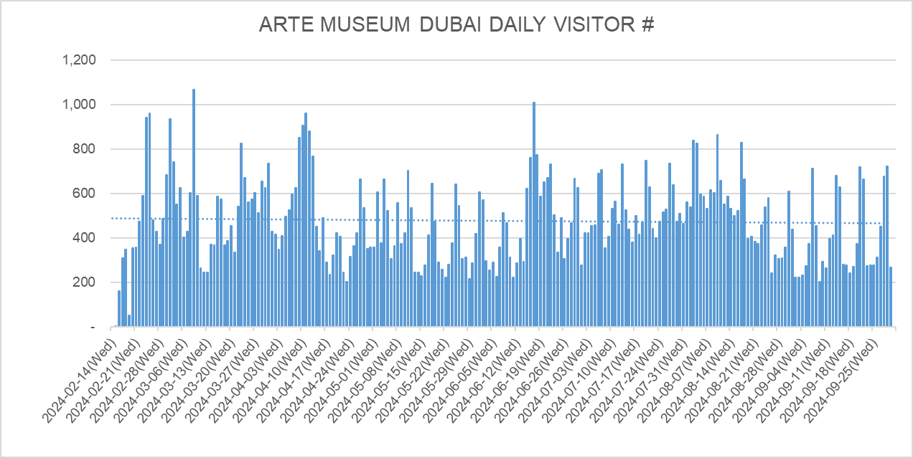

4. MONTHLY REVENUE
 | CATEGORY | TICKET | MD | TEA BAR | TOTAL
 | Feb-24 | AED710,241.00 | AED90,315.00 | AED2,350.00 | AED802,906.00
 | Mar-24 | AED1,954,890.50 | AED189,276.50 | AED6,750.00 | AED2,150,917.00
 | Apr-24 | AED1,613,216.80 | AED146,655.00 | AED3,925.00 | AED1,763,796.80 | 2024-04-30
 | May-24 | AED1,370,282.00 | AED131,663.00 | AED3,525.00 | AED1,505,470.00 | 2024-05-31
 | Jun-24 | AED1,488,499.30 | AED110,884.00 | AED3,900.00 | AED1,603,283.30 | 2024-06-30
 | Jul-24 | AED1,495,778.25 | AED111,401.00 | AED4,675.00 | AED1,611,854.25 | 2024-07-31
 | Aug-24 | AED1,530,814.90 | AED145,807.00 | AED5,575.00 | AED1,682,196.90 | 2024-08-31
 | Sep-24 | AED1,196,280.70 | AED121,885.00 | AED4,700.00 | AED1,322,865.70 | 2024-09-30
 | Total | AED11,360,003.45 | AED1,047,886.50 | AED35,400.00 | AED12,443,289.95

5. OTHER INDICATOR
 | (1) ARTE TEABAR |  |  |  |  |  | (Including VAT)
 | CATEGORY | Today # | Today % | Today's Sales | Acc. # | Acc. % of visitors | Acc. Sales
 | On-Site Sales | - | 0.0% | AED- | 1,540 | 1.5% | AED35,400.00
 | Package Sales | 79 | 30.4% | AED1,580.00 | 43,052 | 42.4% | AED861,040.00
 | Total | 79 | 30.4% | AED1,580.00 | 44,592 | 43.9% | AED896,440.00

 | (2) ARTE MD |  |  |  |  |  | (Including VAT)
 | CATEGORY | Today # | Today % | Today's Sales | Acc. # | Acc. % of visitors | Acc. Sales
 | On-Site Sales | 12 | 4.6% | AED6,452.00 | 6,252 | 6.2% | AED1,047,886.50
 | Total | 12 | 4.6% | AED6,452.00 | 6,252 | 6.2% | AED1,047,886.50
 |  |  |  |  |  |  | -
 | (3) TICKET TYPE |  |  |  |  |  | (Including VAT)
 | CATEGORY | Today # | Today % | Today's Sales | Acc. # | Acc. % of visitors | Acc. Sales
 | General | 168 | 64.6% | AED18,368.00 | 56,320 | 55.5% | AED5,704,064.10
 | Package | 79 | 30.4% | AED9,871.00 | 43,052 | 42.4% | AED5,138,048.55
 | Package - VIP | 13 | 5.0% | AED3,177.00 | 2,097 | 2.1% | AED517,890.80
 | Total | 260 | 100.0% | AED31,416.00 | 101,469 | 100.0% | AED11,360,003.45
 |  | - |  | - | - |  | -
 | (4) PRICE DISCOUNT CATEGORY |  |  |  |  |  | (Including VAT)
 | CATEGORY | Today # | Today % | Today's Sales | Acc. # | Acc. % of visitors | Acc. Sales
 | Normal | 260 | 100.0% | AED31,416.00 | 99,484 | 98.0% | AED11,171,304.00
 | Companion Discount | - | 0.0% | AED- | 491 | 0.5% | AED34,368.00
 | POD discount | - | 0.0% | AED- | 166 | 0.2% | AED3,640.00
 | Onsite discount | - | 0.0% | AED- | 1,294 | 1.3% | AED142,534.45
 | Onsite discount - VIP | - | 0.0% | AED- | 34 | 0.0% | AED8,157.00
 | Total | 260 | 100.0% | AED31,416.00 | 101,469 | 100.0% | AED11,360,003.45 | -
 |  |  |  | -
 | (5) AGE GROUP CATEGORY |  |  |  |  |  | (Including VAT)
 | CATEGORY | Today # | Today % | Today's Sales | Acc. # | Acc. % of visitors | Acc. Sales
 | Adult | 151 | 58.1% | AED22,139.00 | 44,833 | 44.2% | AED6,609,111.45
 | Family | 103 | 39.6% | AED8,657.00 | 48,429 | 47.7% | AED4,082,848.00
 | Child/Senior/Student | 6 | 2.3% | AED620.00 | 8,041 | 7.9% | AED664,404.00
 | POD/infant | - | 0.0% | AED- | 166 | 0.2% | AED3,640.00
 | Total | 260 | 100.0% | AED31,416.00 | 101,469 | 100.0% | AED11,360,003.45 | -
 |  |  |  | -
 | (6) PRICE LEVEL |  |  |  |  |  | (Including VAT)
 | CATEGORY | Today # | Today % | Today's Sales | Acc. # | Acc. % of visitors | Acc. Sales
 | PEAK | 233 | 86.9% | AED26,170.00 | 85,959 | 78.3% | AED9,261,098.85
 | OFF PEAK | 35 | 13.1% | AED5,246.00 | 23,782 | 21.7% | AED2,098,904.60
 | Total | 268 | 100.0% | AED31,416.00 | 109,741 | 100.0% | AED11,360,003.45 | -
 |  |  |  | -
 | (7) TODAY'S SALES |  |  |  | (Including VAT)
 | CATEGORY | Ticket | MD | TEA BAR | Total
 | Today's Sales | AED31,416.00 | AED6,452.00 | AED- | AED37,868.00
 | Total | AED31,416.00 | AED6,452.00 | AED- | AED37,868.00

 | (8) ACC. SALES |  |  |  | (Including VAT)
 | CATEGORY | Ticket | MD | TEA BAR | Total
 | ACC. Sales | AED11,360,003.45 | AED1,047,886.50 | AED35,400.00 | AED12,443,289.95
 | Total | AED11,360,003.45 | AED1,047,886.50 | AED35,400.00 | AED12,443,289.95
 |  | - | - | - | -
 | (9) PRICE PER VISITOR |  |  |  | (Including VAT)
 | CATEGORY | Ticket | MD | TEA BAR | Total
 | Price per visitor | AED103.52 | AED9.55 | AED0.32 | AED113.39
 | Total | AED103.52 | AED9.55 | AED0.32 | AED113.39
 |  |  |  |  | -
 | (10) TICKET SOLD | ※ Including booking in advance |  |  |  |  | (Including VAT)
 | CATEGORY | Today # | Today % | Today's Sales | Acc. # | Acc. % of visitors | Acc. Sales
 | Adult | 249 | 64.7% | AED33,948.85 | 47,926 | 43.2% | AED6,654,307.50
 | Family | 118 | 30.6% | AED9,842.00 | 48,399 | 43.6% | AED4,087,863.00
 | Child/Senior/Student | 12 | 3.1% | AED1,224.00 | 8,472 | 7.6% | AED677,033.00
 | POD/infant | 6 | 1.6% | AED- | 6,211 | 5.6% | AED3,640.00
 | Total | 385 | 100.0% | AED45,014.85 | 111,008 | 100.0% | AED11,422,843.50

ARTE KIDS
Arte kids park KEY INDICATOR SUMMARY |  |  |  |  |  | 2024-09-30

1. VISITORS NUMBER
 | CATEGORY | Today # | Today % | Accumulation # | Accumulation % | Daily Average #
 | Paid-Visitors(Offline) | 346 | 75.2% | 88,170 | 69.0% | 493
 | Paid-Visitors(Online) | 100 | 21.7% | 31,550 | 24.7% | 176
 | Free-Visitors | 14 | 3.0% | 8,046 | 6.3% | 45
 | Total | 460 | 100.0% | 127,766 | 100.0% | 714
 |  | - |  | - |  | -
2. TICKET REVENUE
 | CATEGORY | Today # | Accumulation #
 | POS Revenue | 8,066,600 | 2,296,900,800
 | Accounting Revenue | 7,333,272 | 2,088,091,636
 | Ticket Revenue of I/S | 7,333,272 | 2,088,091,636
 | ※ There may be a slight singular difference between the above number and the exact accounting ticket revenue stated in the income statement.※

3. DAILY VISITOR'S TREND
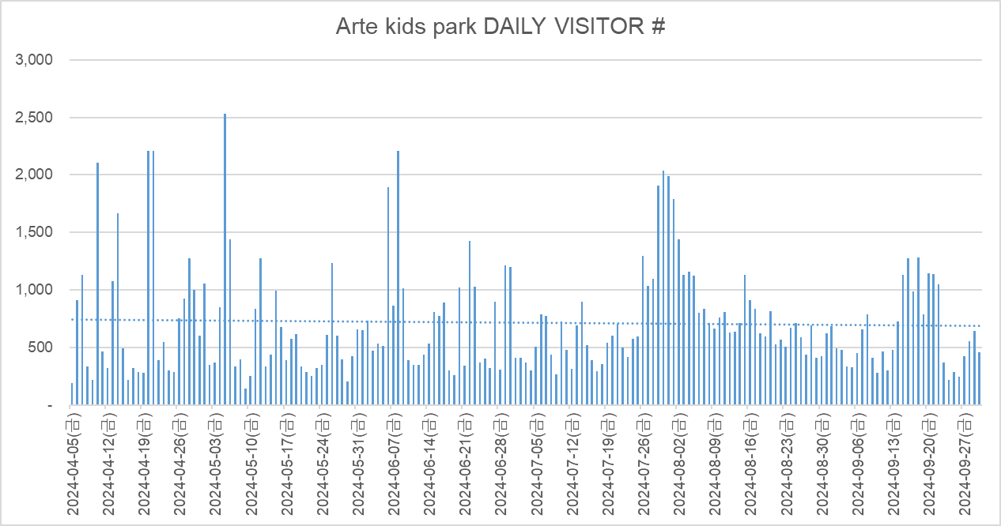

4. MONTHLY REVENUE (Income Statement Revenue of d'strict)
 | CATEGORY | Ticket + Art Lab | MD Consign. | F&B Consign. | CVS Consign. | TOTAL
 | Apr-24 | 346,126,134 | 10,156,497 | - | 40,693,989 | 396,976,620 |  | 2024-04-30
 | May-24 | 318,085,643 | 10,769,659 | 4,904,155 | 27,151,490 | 360,910,947 |  | 2024-05-31
 | Jun-24 | 380,323,602 | 11,750,773 | 7,976,181 | 28,799,558 | 428,850,114 |  | 2024-06-30
 | Jul-24 | 363,260,843 | 13,037,528 | 6,992,896 | 29,332,596 | 412,623,863 |  | 2024-07-31
 | Aug-24 | 399,997,775 | 15,618,973 | 8,355,838 | 31,804,921 | 455,777,507 |  | 2024-08-31
 | Sep-24 | 289,623,818 | 9,528,182 | 6,711,895 | 24,413,657 | 330,277,552 |  | 2024-09-30
 | Total | 2,097,417,815 | 70,861,612 | 34,940,965 | 182,196,211 | 2,385,416,603

5. OTHER INDICATOR
 | (1) Art Lab |  |  |  |  |  | (Including VAT)
 | CATEGORY | Today # | Today % of visitors | Today's Sales | Acc. # | Acc. % of visitors | Acc. Sales
 | On-Site Sales | - | 0.0% | - | 684 | 0.6% | 10,260,000
 | Package Sales | - | 0.0% | - | - | 0.0% | -
 | Total | - | 0.0% | - | 684 | 0.6% | 10,260,000

 | (2) Arte kids park MD |  |  |  |  |  | (Including VAT)
 | CATEGORY | Today # | Today % of visitors | Today's Sales | Acc. # | Acc. % of visitors | Acc. Sales
 | On-Site Sales | 102 | 22.2% | 1,041,600 | 26,120 | 20.4% | 304,487,490
 | Total | 102 | 22.2% | 1,041,600 | 26,120 | 20.4% | 304,487,490

 | (3) Arte kids park F&B |  |  |  |  |  | (Including VAT)
 | CATEGORY | Today # | Today % of visitors | Today's Sales | Acc. # | Acc. % of visitors | Acc. Sales
 | On-Site Sales | 82 | 17.8% | 1,651,300 | 14,154 | 13.4% | 256,315,410
 | Total | 82 | 17.8% | 1,651,300 | 14,154 | 13.4% | 256,315,410

 | (4) Arte kids park CONVENIENCE STORE |  |  |  |  |  | (Including VAT)
 | CATEGORY | Today # | Today % of visitors | Today's Sales | Acc. # | Acc. % of visitors | Acc. Sales
 | On-Site Sales | 145 | 31.5% | 611,654 | 47,565 | 37.2% | 200,150,315
 | Total | 145 | 31.5% | 611,654 | 47,565 | 37.2% | 200,150,315

 | (5) Arte kids park ARCADE |  |  |  |  |  | (Including VAT)
 | CATEGORY | Today # | Today % of visitors | Today's Sales | Acc. # | Acc. % of visitors | Acc. Sales
 | On-Site Sales | 19 | 4.1% | 53,000 | 7,130 | 6.7% | 19,579,000
 | Total | 19 | 4.1% | 53,000 | 7,130 | 6.7% | 19,579,000

 | (6) TICKET TYPE (Including Free) |  |  |  |  |  | (Including VAT)
 | CATEGORY | Today # | Today % of Sales | Today's Sales | Acc. # | Acc. % of Sales | Acc. Sales
 | Children (2 hours) | 4 | 1.1% | 90,000 | 13,879 | 15.7% | 359,155,000
 | Children (3 hours) | 179 | 62.3% | 5,029,000 | 40,848 | 51.6% | 1,180,500,000
 | Children (Extra Charge) | 20 | 0.5% | 40,000 | 5,840 | 0.5% | 11,680,000
 | Others (Including Free) | 277 | 36.0% | 2,907,600 | 73,039 | 32.2% | 735,305,800
 | Total | 480 | 100.0% | 8,066,600 | 133,606 | 100.0% | 2,286,640,800

 | (7) WEEKDAY / WEEKEND |  |  |  |  |  | (Including VAT)
 | CATEGORY | Today # | Today % of visitors | Today's Sales | Acc. # | Acc. % of visitors | Acc. Sales
 | Weekday | 446 | 100.0% | 8,066,600 | 66,125 | 55.2% | 1,235,129,000
 | Weekend | - | 0.0% | - | 53,595 | 44.8% | 1,061,771,800
 | Total | 446 | 100.0% | 8,066,600 | 119,720 | 100.0% | 2,296,900,800
 |  | - |  |  | -
 | (8) RESIDENCE |  |  |  |  |  | (Including VAT)
 | CATEGORY | Today # | Today % of visitors | Today's Sales | Acc. # | Acc. % of visitors | Acc. Sales
 | JEJU Residence | 56 | 12.6% | 945,000 | 40,638 | 33.9% | 752,090,000
 | Tourist | 390 | 87.4% | 7,121,600 | 79,082 | 66.1% | 1,544,810,800
 | Total | 446 | 100.0% | 8,066,600 | 119,720 | 100.0% | 2,296,900,800
 |  | - |  |  | -
 | (9) AGE |  |  |  |  |  | (Including VAT)
 | CATEGORY | Today # | Today % of visitors | Today's Sales | Acc. # | Acc. % of visitors | Acc. Sales
 | Guardians (14 years and over) | 263 | 59.0% | 2,907,600 | 64,720 | 54.1% | 743,654,800
 | Children (12 months ~ 13 years) | 183 | 41.0% | 5,159,000 | 54,727 | 45.7% | 1,551,335,000
 | Infants (under 12 months) | - | 0.0% | - | 273 | 0.2% | 1,911,000
 | Total | 446 | 100.0% | 8,066,600 | 119,720 | 100.0% | 2,296,900,800

 | (10) PAYMENT |  |  |  |  |  | (Including VAT)
 | CATEGORY | Today # | Today % of Sales | Today's Sales | Acc. # | Acc. % of Sales | Acc. Sales
 | Cash |  | 4.3% | 346,000 |  | 2.7% | 62,447,200
 | Credit Card |  | 71.2% | 5,746,600 |  | 70.2% | 1,612,973,600
 | Online Purchase |  | 24.5% | 1,974,000 |  | 27.1% | 621,480,000
 | Total |  | 100.0% | 8,066,600 |  | 100.0% | 2,296,900,800

 | (11) TODAY'S SALES |  |  |  |  |  | (Including VAT)
 | CATEGORY | Ticket + Art Lab | MD | F&B | CVS | ARCADE | Total
 | Today's Sales | 8,066,600 | 1,041,600 | 1,651,300 | 611,654 | 53,000 | 11,424,154
 | Total | 8,066,600 | 1,041,600 | 1,651,300 | 611,654 | 53,000 | 11,424,154

 | (12) ACC. SALES |  |  |  |  |  | (Including VAT)
 | CATEGORY | Ticket + Art Lab | MD | F&B | CVS | ARCADE | Total
 | ACC. Sales | 2,307,160,800 | 304,487,490 | 256,315,410 | 200,150,315 | 19,579,000 | 3,087,693,015
 | Total | 2,307,160,800 | 304,487,490 | 256,315,410 | 200,150,315 | 19,579,000 | 3,087,693,015

 | (13) PRICE PER VISITOR |  |  |  |  |  | (Including VAT)
 | CATEGORY | Ticket + Art Lab | MD | F&B | CVS | ARCADE | Total
 | Open Discount Period (~2024.04) | 18,586 | 1,869 | - | 2,183 | - | 22,639
 | Normal Price Period (2024.05~) | 17,959 | 2,481 | 2,429 | 1,449 | 186 | 24,504
 | Total | 18,075 | 2,383 | 2,429 | 1,567 | 186 | 24,640
 |  |  |  |  |  |  | -

ARTE BS
ARTE MUSEUM CIRCLE KEY INDICATOR SUMMARY |  |  |  |  |  | 2024-09-30

1. VISITORS NUMBER
 | CATEGORY | Today # | Today % | Accumulation # | Accumulation % | Daily Average #
 | Paid-Visitors(Offline) | 378 | 40.5% | 79,971 | 41.8% | 1,081
 | Paid-Visitors(Online) | 467 | 50.1% | 101,888 | 53.3% | 1,377
 | Free-Visitors | 88 | 9.4% | 9,289 | 4.9% | 126
 | Total | 933 | 100.0% | 191,148 | 100.0% | 2,583
 |  | - |  | - |  | -
2. TICKET REVENUE
 | CATEGORY | Today # | Accumulation #
 | POS Revenue | 14,643,500 | 3,370,642,800
 | Accounting Revenue | 13,312,255 | 3,064,218,205
 | Ticket Revenue of I/S | 13,312,255 | 3,064,218,205
 | ※ There may be a slight singular difference between the above number and the exact accounting ticket revenue stated in the income statement.※

3. DAILY VISITOR'S TREND
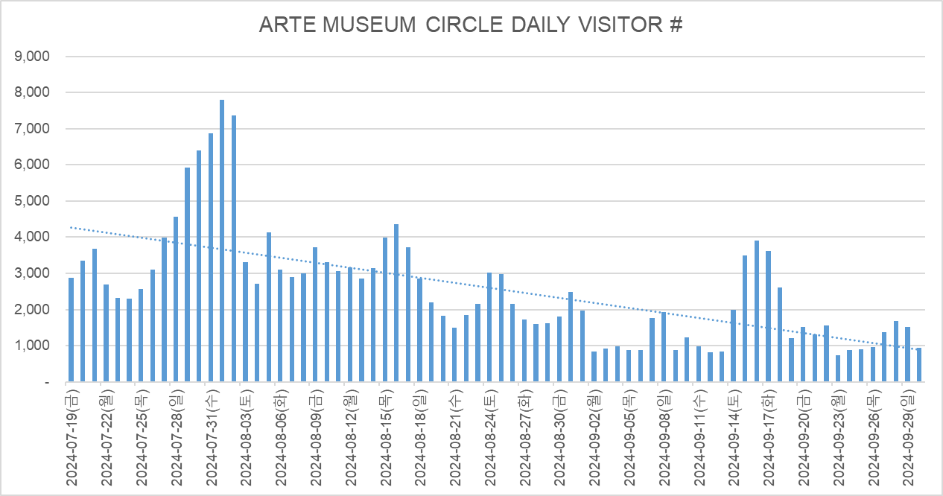

4. MONTHLY REVENUE (Income Statement Revenue of d'strict)
 | CATEGORY | TICKET | MD Consign. | CAFÉ | PHOTO Consign. | CAPSULE Consign. | TOTAL
 | Jul-24 | 719,213,795 | 72,600,529 | 26,752,105 | 4,626,545 | 1,018,182 | 824,211,156 | 2024-07-31
 | Aug-24 | 1,559,625,808 | 109,712,867 | 38,261,865 | 8,442,909 | 3,897,727 | 1,719,941,176 | 2024-08-31
 | Sep-24 | 785,382,000 | 54,253,899 | 18,488,636 | 3,610,545 | 1,328,409 | 863,063,489 | 2024-09-30
 | Total | 3,064,221,603 | 236,567,295 | 83,502,606 | 16,679,999 | 6,244,318 | 3,407,215,821

5. OTHER INDICATOR

 | (1) ARTE SHOP |  |  |  |  |  | (Including VAT)
 | CATEGORY | Today # | Today % of visitors | Today's Sales | Acc. # | Acc. % of visitors | Acc. Sales
 | On-Site Sales | 109 | 11.7% | 1,831,200 | 26,730 | 14.0% | 447,985,300
 | Total | 109 | 11.7% | 1,831,200 | 26,730 | 14.0% | 447,985,300

 | (2) ARTE CAFÉ |  |  |  |  |  | (Including VAT)
 | CATEGORY | Today # | Today % of visitors | Today's Sales | Acc. # | Acc. % of visitors | Acc. Sales
 | On-Site Sales | 51 | 5.5% | 264,500 | 19,611 | 10.3% | 91,852,500
 | Total | 51 | 5.5% | 264,500 | 19,611 | 10.3% | 91,852,500

 | (3) PHOTO BOOTH |  |  |  |  |  | (Including VAT)
 | CATEGORY | Today # | Today % of visitors | Today's Sales | Acc. # | Acc. % of visitors | Acc. Sales
 | On-Site Sales | 36 | 3.9% | 250,000 | 6,232 | 3.3% | 45,870,000
 | Total | 36 | 3.9% | 250,000 | 6,232 | 3.3% | 45,870,000

 | (4) CAPSULE MACHINE |  |  |  |  |  | (Including VAT)
 | CATEGORY | Today # | Today % of visitors | Today's Sales | Acc. # | Acc. % of visitors | Acc. Sales
 | On-Site Sales | 10 | 1.1% | 50,000 | 3,925 | 2.1% | 19,625,000
 | Total | 10 | 1.1% | 50,000 | 3,925 | 2.1% | 19,625,000

 | (5) WEEKDAY / WEEKEND |  |  |  |  |  | (Including VAT)
 | CATEGORY | Today # | Today % | Today's Sales | Acc. # | Acc. % | Acc. Sales
 | Weekday | 845 | 100.0% | 14,643,500 | 112,051 | 61.6% | 1,837,867,700
 | Weekend | - | 0.0% | - | 69,808 | 38.4% | 1,532,775,100
 | Total | 845 | 100.0% | 14,643,500 | 181,859 | 100.0% | 3,370,642,800
 |  | - |  |  | -
 | (6) RESIDENCE |  |  |  |  |  | (Including VAT)
 | CATEGORY | Today # | Today % | Today's Sales | Acc. # | Acc. % | Acc. Sales
 | Yeongdo Residence | 3 | 0.4% | 60,000 | 1,927 | 1.1% | 33,783,000
 | Tourist | 842 | 99.6% | 14,583,500 | 179,932 | 98.9% | 3,336,859,800
 | Total | 845 | 100.0% | 14,643,500 | 181,859 | 100.0% | 3,370,642,800
 |  | - |  |  | -
 | (7) AGE |  |  |  |  |  | (Including VAT)
 | CATEGORY | Today # | Today % | Today's Sales | Acc. # | Acc. % | Acc. Sales
 | Adult | 669 | 79.2% | 12,551,000 | 133,399 | 73.4% | 2,713,324,000
 | Youth | 10 | 1.2% | 135,000 | 9,802 | 5.4% | 158,247,500
 | Child | 43 | 5.1% | 495,000 | 19,210 | 10.6% | 259,904,600
 | Special Price | 123 | 14.6% | 1,462,500 | 19,448 | 10.7% | 239,166,700
 | Total | 845 | 100.0% | 14,643,500 | 181,859 | 100.0% | 3,370,642,800

 | (8) PAYMENT |  |  |  |  |  | (Including VAT)
 | CATEGORY | Today # | Today % | Today's Sales | Acc. # | Acc. % | Acc. Sales
 | Cash |  | 0.8% | 122,000 |  | 1.2% | 39,159,000
 | Credit Card |  | 48.6% | 7,119,000 |  | 46.8% | 1,576,976,600
 | Online Purchase |  | 50.6% | 7,402,500 |  | 52.1% | 1,754,507,200
 | Total |  | 100.0% | 14,643,500 |  | 100.0% | 3,370,642,800

 | (9) TODAY'S SALES |  |  |  |  |  | (Including VAT)
 | CATEGORY | Ticket | MD | CAFÉ A | PHOTO | CAPSULE | Total
 | Today's Sales | 14,643,500 | 1,831,200 | 264,500 | 250,000 | 50,000 | 17,039,200
 | Total | 14,643,500 | 1,831,200 | 264,500 | 250,000 | 50,000 | 17,039,200

 | (10) ACC. SALES |  |  |  |  |  | (Including VAT)
 | CATEGORY | Ticket | MD | CAFÉ A | PHOTO | CAPSULE | Total
 | ACC. Sales | 3,370,642,800 | 447,985,300 | 91,852,500 | 45,870,000 | 19,625,000 | 3,975,975,600
 | Total | 3,370,642,800 | 447,985,300 | 91,852,500 | 45,870,000 | 19,625,000 | 3,975,975,600

 | (11) PRICE PER VISITOR |  |  |  |  |  | (Including VAT)
 | CATEGORY | Ticket | MD | CAFÉ A | PHOTO | CAPSULE | Total
 | Open Discount Period (~2024.08) | 17,634 | 2,344 | 481 | 240 | 103 | 20,801
 | Total | 17,634 | 2,344 | 481 | 240 | 103 | 20,801
 |  |  |  |  |  |  | -

HC
디스트릭트 관계법인포함 인력구성현황

COMPANY / R&R | 2023.09.30 | 2023.10.31 | 2023.11.30 | 2023.12.31 | 2024.01.31 | 2024.02.29 | 2024.03.31 | 2024.04.30 | 2024.05.31 | 2024.06.30 | 2024.07.31 | 2024.08.31 | 2024.09.30
DSTRICT HOLDINGS | 1 | 1 | 1 | 1 | 1 | 2 | 2 | 2 | 2 | 2 | 2 | 2 | 2
Creation & Production | - | - | - | - | - | - | - | - | - | - | - | - | -
Biz. Development | - | - | - | - | - | - | - | - | - | - | - | - | -
...
Operation | 128 | 158 | 164 | 159 | 161 | 168 | 171 | 182 | 190 | 223 | 234 | 208 | 207
Management | 43 | 45 | 44 | 43 | 43 | 47 | 55 | 56 | 57 | 63 | 67 | 70 | 71
TOTAL | 328 | 364 | 370 | 363 | 369 | 377 | 387 | 396 | 405 | 440 | 459 | 436 | 435

R&R | 2023.09.30 | 2023.10.31 | 2023.11.30 | 2023.12.31 | 2024.01.31 | 2024.02.29 | 2024.03.31 | 2024.04.30 | 2024.05.31 | 2024.06.30 | 2024.07.31 | 2024.08.31 | 2024.09.30
Creation & Production | 35% | 32% | 31% | 31% | 32% | 31% | 29% | 28% | 26% | 23% | 22% | 24% | 24%
Biz. Development | 13% | 13% | 12% | 13% | 13% | 12% | 12% | 12% | 13% | 12% | 12% | 13% | 12%
Operation | 39% | 43% | 44% | 44% | 44% | 45% | 44% | 46% | 47% | 51% | 51% | 48% | 48%
Management | 13% | 12% | 12% | 12% | 12% | 12% | 14% | 14% | 14% | 14% | 15% | 16% | 16%
TOTAL | 100% | 100% | 100% | 100% | 100% | 100% | 100% | 100% | 100% | 100% | 100% | 100% | 100%
직군현황변화
 | Creation & Production | Biz. Development | Operation | Management | TOTAL
2023.09.30 | 35% | 13% | 39% | 13% | 100%
2023.10.31 | 32% | 13% | 43% | 12% | 100%
2023.11.30 | 31% | 12% | 44% | 12% | 100%
2023.12.31 | 31% | 13% | 44% | 12% | 100%
2024.01.31 | 32% | 13% | 44% | 12% | 100%
2024.02.29 | 31% | 12% | 45% | 12%
2024.03.31 | 29% | 12% | 44% | 14%
2024.04.30 | 28% | 12% | 46% | 14%
2024.05.31 | 26% | 13% | 47% | 14%
2024.06.30 | 23% | 12% | 51% | 14%
2024.07.31 | 22% | 12% | 51% | 15%
2024.08.31 | 24% | 13% | 48% | 16%
2024.09.30 | 24% | 12% | 48% | 16%

